A1
What are Purchasing Patterns of new customer versus repeat customers ? |  |  |  |  |  | Visualization
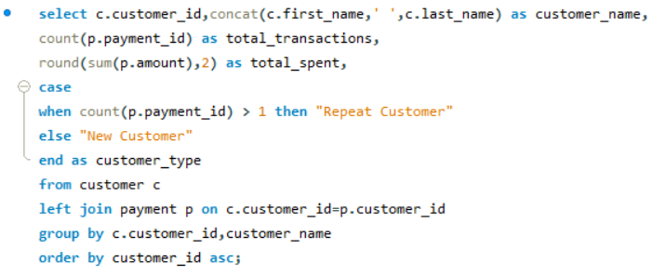

total_transactions

 | OUTPUT

customer_id | customer_name | total_transactions | total_spent | customer_type
1 | MARY SMITH | 32 | 118.68 | Repeat Customer
2 | PATRICIA JOHNSON | 27 | 128.73 | Repeat Customer
3 | LINDA WILLIAMS | 26 | 135.74 | Repeat Customer | Conclusion
4 | BARBARA JONES | 22 | 81.78 | Repeat Customer
The graph illustrates that repeat customers have a high and consistent number of transactions, demonstrating strong purchasing patterns and loyalty. This emphasizes the value of retaining repeat customers for continuous business growth.
5 | ELIZABETH BROWN | 38 | 144.62 | Repeat Customer
6 | JENNIFER DAVIS | 28 | 93.72 | Repeat Customer
7 | MARIA MILLER | 33 | 151.67 | Repeat Customer
8 | SUSAN WILSON | 24 | 92.76 | Repeat Customer
9 | MARGARET MOORE | 23 | 89.77 | Repeat Customer
10 | DOROTHY TAYLOR | 25 | 99.75 | Repeat Customer
11 | LISA ANDERSON | 24 | 106.76 | Repeat Customer
12 | NANCY THOMAS | 28 | 103.72 | Repeat Customer
13 | KAREN JACKSON | 27 | 131.73 | Repeat Customer
14 | BETTY WHITE | 28 | 117.72 | Repeat Customer
15 | HELEN HARRIS | 32 | 134.68 | Repeat Customer
16 | SANDRA MARTIN | 28 | 118.72 | Repeat Customer
17 | DONNA THOMPSON | 21 | 98.79 | Repeat Customer
18 | CAROL GARCIA | 22 | 91.78 | Repeat Customer
19 | RUTH MARTINEZ | 24 | 125.76 | Repeat Customer
20 | SHARON ROBINSON | 30 | 115.7 | Repeat Customer
21 | MICHELLE CLARK | 35 | 155.65 | Repeat Customer
22 | LAURA RODRIGUEZ | 22 | 113.78 | Repeat Customer
23 | SARAH LEWIS | 30 | 119.7 | Repeat Customer
24 | KIMBERLY LEE | 25 | 95.75 | Repeat Customer
25 | DEBORAH WALKER | 29 | 115.71 | Repeat Customer
26 | JESSICA HALL | 34 | 152.66 | Repeat Customer
27 | SHIRLEY ALLEN | 31 | 126.69 | Repeat Customer
28 | CYNTHIA YOUNG | 32 | 111.68 | Repeat Customer
29 | ANGELA HERNANDEZ | 36 | 140.64 | Repeat Customer
30 | MELISSA KING | 34 | 123.66 | Repeat Customer
31 | BRENDA WRIGHT | 26 | 104.74 | Repeat Customer
32 | AMY LOPEZ | 29 | 127.71 | Repeat Customer
33 | ANNA HILL | 21 | 91.79 | Repeat Customer
34 | REBECCA SCOTT | 24 | 89.76 | Repeat Customer
35 | VIRGINIA GREEN | 32 | 129.68 | Repeat Customer
36 | KATHLEEN ADAMS | 27 | 92.73 | Repeat Customer
37 | PAMELA BAKER | 23 | 95.77 | Repeat Customer
38 | MARTHA GONZALEZ | 34 | 127.66 | Repeat Customer
39 | DEBRA NELSON | 29 | 141.71 | Repeat Customer
40 | AMANDA CARTER | 27 | 110.73 | Repeat Customer
41 | STEPHANIE MITCHELL | 25 | 118.75 | Repeat Customer
42 | CAROLYN PEREZ | 30 | 117.7 | Repeat Customer
43 | CHRISTINE ROBERTS | 24 | 99.76 | Repeat Customer
44 | MARIE TURNER | 26 | 114.74 | Repeat Customer
45 | JANET PHILLIPS | 27 | 127.73 | Repeat Customer
46 | CATHERINE CAMPBELL | 34 | 142.66 | Repeat Customer
47 | FRANCES PARKER | 22 | 108.78 | Repeat Customer
48 | ANN EVANS | 17 | 76.83 | Repeat Customer
49 | JOYCE EDWARDS | 28 | 130.72 | Repeat Customer
50 | DIANE COLLINS | 35 | 169.65 | Repeat Customer
51 | ALICE STEWART | 33 | 138.67 | Repeat Customer
52 | JULIE SANCHEZ | 29 | 107.71 | Repeat Customer
53 | HEATHER MORRIS | 30 | 115.7 | Repeat Customer
54 | TERESA ROGERS | 29 | 128.71 | Repeat Customer
55 | DORIS REED | 22 | 100.78 | Repeat Customer
56 | GLORIA COOK | 30 | 135.7 | Repeat Customer
57 | EVELYN MORGAN | 28 | 114.72 | Repeat Customer
58 | JEAN BELL | 27 | 115.73 | Repeat Customer
59 | CHERYL MURPHY | 27 | 133.73 | Repeat Customer
60 | MILDRED BAILEY | 25 | 98.75 | Repeat Customer
61 | KATHERINE RIVERA | 14 | 58.86 | Repeat Customer
62 | JOAN COOPER | 23 | 84.77 | Repeat Customer
63 | ASHLEY RICHARDSON | 25 | 112.75 | Repeat Customer
64 | JUDITH COX | 33 | 100.67 | Repeat Customer
65 | ROSE HOWARD | 22 | 103.78 | Repeat Customer
66 | JANICE WARD | 34 | 144.66 | Repeat Customer
67 | KELLY TORRES | 22 | 99.78 | Repeat Customer
68 | NICOLE PETERSON | 22 | 94.78 | Repeat Customer
69 | JUDY GRAY | 25 | 96.75 | Repeat Customer
70 | CHRISTINA RAMIREZ | 18 | 80.82 | Repeat Customer
71 | KATHY JAMES | 30 | 129.7 | Repeat Customer
72 | THERESA WATSON | 30 | 99.7 | Repeat Customer
73 | BEVERLY BROOKS | 24 | 97.76 | Repeat Customer
74 | DENISE KELLY | 27 | 103.73 | Repeat Customer
75 | TAMMY SANDERS | 41 | 155.59 | Repeat Customer
76 | IRENE PRICE | 23 | 77.77 | Repeat Customer
77 | JANE BENNETT | 28 | 100.72 | Repeat Customer
78 | LORI WOOD | 31 | 141.69 | Repeat Customer
79 | RACHEL BARNES | 22 | 84.78 | Repeat Customer
80 | MARILYN ROSS | 30 | 137.7 | Repeat Customer
81 | ANDREA HENDERSON | 22 | 93.78 | Repeat Customer
82 | KATHRYN COLEMAN | 26 | 130.74 | Repeat Customer
83 | LOUISE JENKINS | 25 | 101.75 | Repeat Customer
84 | SARA PERRY | 33 | 141.67 | Repeat Customer
85 | ANNE POWELL | 23 | 87.77 | Repeat Customer
86 | JACQUELINE LONG | 33 | 148.67 | Repeat Customer
87 | WANDA PATTERSON | 30 | 145.7 | Repeat Customer
88 | BONNIE HUGHES | 21 | 87.79 | Repeat Customer
89 | JULIA FLORES | 32 | 134.68 | Repeat Customer
90 | RUBY WASHINGTON | 28 | 110.72 | Repeat Customer
91 | LOIS BUTLER | 35 | 113.65 | Repeat Customer
92 | TINA SIMMONS | 28 | 133.72 | Repeat Customer
93 | PHYLLIS FOSTER | 23 | 91.77 | Repeat Customer
94 | NORMA GONZALES | 21 | 79.79 | Repeat Customer
95 | PAULA BRYANT | 18 | 77.82 | Repeat Customer
96 | DIANA ALEXANDER | 27 | 105.73 | Repeat Customer
97 | ANNIE RUSSELL | 18 | 58.82 | Repeat Customer
98 | LILLIAN GRIFFIN | 25 | 106.75 | Repeat Customer
99 | EMILY DIAZ | 24 | 91.76 | Repeat Customer
100 | ROBIN HAYES | 24 | 102.76 | Repeat Customer
101 | PEGGY MYERS | 24 | 96.76 | Repeat Customer
102 | CRYSTAL FORD | 33 | 137.67 | Repeat Customer
103 | GLADYS HAMILTON | 31 | 146.69 | Repeat Customer
104 | RITA GRAHAM | 24 | 92.76 | Repeat Customer
105 | DAWN SULLIVAN | 26 | 120.74 | Repeat Customer
106 | CONNIE WALLACE | 23 | 100.77 | Repeat Customer
107 | FLORENCE WOODS | 30 | 126.7 | Repeat Customer
108 | TRACY COLE | 30 | 132.7 | Repeat Customer
109 | EDNA WEST | 26 | 107.74 | Repeat Customer
110 | TIFFANY JORDAN | 14 | 59.86 | Repeat Customer
111 | CARMEN OWENS | 26 | 97.74 | Repeat Customer
112 | ROSA REYNOLDS | 30 | 133.7 | Repeat Customer
113 | CINDY FISHER | 29 | 113.71 | Repeat Customer
114 | GRACE ELLIS | 33 | 139.67 | Repeat Customer
115 | WENDY HARRISON | 30 | 91.7 | Repeat Customer
116 | VICTORIA GIBSON | 27 | 111.73 | Repeat Customer
117 | EDITH MCDONALD | 19 | 71.81 | Repeat Customer
118 | KIM CRUZ | 21 | 82.79 | Repeat Customer
119 | SHERRY MARSHALL | 34 | 153.66 | Repeat Customer
120 | SYLVIA ORTIZ | 32 | 143.68 | Repeat Customer
121 | JOSEPHINE GOMEZ | 26 | 109.74 | Repeat Customer
122 | THELMA MURRAY | 32 | 126.68 | Repeat Customer
123 | SHANNON FREEMAN | 24 | 100.76 | Repeat Customer
124 | SHEILA WELLS | 18 | 73.82 | Repeat Customer
125 | ETHEL WEBB | 32 | 135.68 | Repeat Customer
126 | ELLEN SIMPSON | 28 | 117.72 | Repeat Customer
127 | ELAINE STEVENS | 24 | 107.76 | Repeat Customer
128 | MARJORIE TUCKER | 32 | 127.68 | Repeat Customer
129 | CARRIE PORTER | 34 | 124.66 | Repeat Customer
130 | CHARLOTTE HUNTER | 24 | 93.76 | Repeat Customer
131 | MONICA HICKS | 30 | 128.7 | Repeat Customer
132 | ESTHER CRAWFORD | 28 | 95.72 | Repeat Customer
133 | PAULINE HENRY | 27 | 98.73 | Repeat Customer
134 | EMMA BOYD | 23 | 94.77 | Repeat Customer
135 | JUANITA MASON | 30 | 110.7 | Repeat Customer
136 | ANITA MORALES | 15 | 62.85 | Repeat Customer
137 | RHONDA KENNEDY | 39 | 194.61 | Repeat Customer
138 | HAZEL WARREN | 34 | 110.66 | Repeat Customer
139 | AMBER DIXON | 27 | 113.73 | Repeat Customer
140 | EVA RAMOS | 18 | 83.82 | Repeat Customer
141 | DEBBIE REYES | 32 | 130.68 | Repeat Customer
142 | APRIL BURNS | 26 | 94.74 | Repeat Customer
143 | LESLIE GORDON | 22 | 89.78 | Repeat Customer
144 | CLARA SHAW | 42 | 195.58 | Repeat Customer
145 | LUCILLE HOLMES | 28 | 108.72 | Repeat Customer
146 | JAMIE RICE | 29 | 139.71 | Repeat Customer
147 | JOANNE ROBERTSON | 34 | 127.66 | Repeat Customer
148 | ELEANOR HUNT | 46 | 216.54 | Repeat Customer
149 | VALERIE BLACK | 26 | 121.74 | Repeat Customer
150 | DANIELLE DANIELS | 25 | 105.75 | Repeat Customer
151 | MEGAN PALMER | 27 | 92.73 | Repeat Customer
152 | ALICIA MILLS | 21 | 83.79 | Repeat Customer
153 | SUZANNE NICHOLS | 24 | 94.76 | Repeat Customer
154 | MICHELE GRANT | 30 | 130.7 | Repeat Customer
155 | GAIL KNIGHT | 25 | 109.75 | Repeat Customer
156 | BERTHA FERGUSON | 25 | 101.75 | Repeat Customer
157 | DARLENE ROSE | 31 | 113.69 | Repeat Customer
158 | VERONICA STONE | 32 | 126.68 | Repeat Customer
159 | JILL HAWKINS | 21 | 68.79 | Repeat Customer
160 | ERIN DUNN | 27 | 106.73 | Repeat Customer
161 | GERALDINE PERKINS | 30 | 112.7 | Repeat Customer
162 | LAUREN HUDSON | 20 | 71.8 | Repeat Customer
163 | CATHY SPENCER | 29 | 122.71 | Repeat Customer
164 | JOANN GARDNER | 16 | 66.84 | Repeat Customer
165 | LORRAINE STEPHENS | 21 | 86.79 | Repeat Customer
166 | LYNN PAYNE | 28 | 123.72 | Repeat Customer
167 | SALLY PIERCE | 32 | 119.68 | Repeat Customer
168 | REGINA BERRY | 34 | 135.66 | Repeat Customer
169 | ERICA MATTHEWS | 22 | 95.78 | Repeat Customer
170 | BEATRICE ARNOLD | 26 | 119.74 | Repeat Customer
171 | DOLORES WAGNER | 26 | 114.74 | Repeat Customer
172 | BERNICE WILLIS | 33 | 145.67 | Repeat Customer
173 | AUDREY RAY | 29 | 119.71 | Repeat Customer
174 | YVONNE WATKINS | 21 | 92.79 | Repeat Customer
175 | ANNETTE OLSON | 24 | 98.76 | Repeat Customer
176 | JUNE CARROLL | 37 | 173.63 | Repeat Customer
177 | SAMANTHA DUNCAN | 23 | 71.77 | Repeat Customer
178 | MARION SNYDER | 39 | 194.61 | Repeat Customer
179 | DANA HART | 29 | 133.71 | Repeat Customer
180 | STACY CUNNINGHAM | 23 | 98.77 | Repeat Customer
181 | ANA BRADLEY | 34 | 174.66 | Repeat Customer
182 | RENEE LANE | 26 | 97.74 | Repeat Customer
183 | IDA ANDREWS | 23 | 76.77 | Repeat Customer
184 | VIVIAN RUIZ | 23 | 90.77 | Repeat Customer
185 | ROBERTA HARPER | 23 | 84.77 | Repeat Customer
186 | HOLLY FOX | 31 | 114.69 | Repeat Customer
187 | BRITTANY RILEY | 28 | 159.72 | Repeat Customer
188 | MELANIE ARMSTRONG | 25 | 92.75 | Repeat Customer
189 | LORETTA CARPENTER | 22 | 93.78 | Repeat Customer
190 | YOLANDA WEAVER | 27 | 110.73 | Repeat Customer
191 | JEANETTE GREENE | 20 | 74.8 | Repeat Customer
192 | LAURIE LAWRENCE | 23 | 99.77 | Repeat Customer
193 | KATIE ELLIOTT | 25 | 109.75 | Repeat Customer
194 | KRISTEN CHAVEZ | 18 | 87.82 | Repeat Customer
195 | VANESSA SIMS | 19 | 86.81 | Repeat Customer
196 | ALMA AUSTIN | 35 | 151.65 | Repeat Customer
197 | SUE PETERS | 40 | 154.6 | Repeat Customer
198 | ELSIE KELLEY | 37 | 141.63 | Repeat Customer
199 | BETH FRANKLIN | 25 | 103.75 | Repeat Customer
200 | JEANNE LAWSON | 27 | 136.73 | Repeat Customer
201 | VICKI FIELDS | 25 | 108.75 | Repeat Customer
202 | CARLA GUTIERREZ | 26 | 103.74 | Repeat Customer
203 | TARA RYAN | 20 | 88.8 | Repeat Customer
204 | ROSEMARY SCHMIDT | 35 | 147.65 | Repeat Customer
205 | EILEEN CARR | 18 | 80.82 | Repeat Customer
206 | TERRI VASQUEZ | 27 | 126.73 | Repeat Customer
207 | GERTRUDE CASTILLO | 34 | 137.66 | Repeat Customer
208 | LUCY WHEELER | 26 | 91.74 | Repeat Customer
209 | TONYA CHAPMAN | 32 | 161.68 | Repeat Customer
210 | ELLA OLIVER | 31 | 137.69 | Repeat Customer
211 | STACEY MONTGOMERY | 34 | 151.66 | Repeat Customer
212 | WILMA RICHARDS | 20 | 91.8 | Repeat Customer
213 | GINA WILLIAMSON | 28 | 111.72 | Repeat Customer
214 | KRISTIN JOHNSTON | 31 | 116.69 | Repeat Customer
215 | JESSIE BANKS | 26 | 91.74 | Repeat Customer
216 | NATALIE MEYER | 23 | 95.77 | Repeat Customer
217 | AGNES BISHOP | 23 | 98.77 | Repeat Customer
218 | VERA MCCOY | 18 | 67.82 | Repeat Customer
219 | WILLIE HOWELL | 26 | 101.74 | Repeat Customer
220 | CHARLENE ALVAREZ | 27 | 114.73 | Repeat Customer
221 | BESSIE MORRISON | 28 | 132.72 | Repeat Customer
222 | DELORES HANSEN | 21 | 91.79 | Repeat Customer
223 | MELINDA FERNANDEZ | 17 | 80.83 | Repeat Customer
224 | PEARL GARZA | 22 | 76.78 | Repeat Customer
225 | ARLENE HARVEY | 26 | 120.74 | Repeat Customer
226 | MAUREEN LITTLE | 21 | 87.79 | Repeat Customer
227 | COLLEEN BURTON | 24 | 87.76 | Repeat Customer
228 | ALLISON STANLEY | 27 | 92.73 | Repeat Customer
229 | TAMARA NGUYEN | 25 | 93.75 | Repeat Customer
230 | JOY GEORGE | 33 | 124.67 | Repeat Customer
231 | GEORGIA JACOBS | 26 | 110.74 | Repeat Customer
232 | CONSTANCE REID | 25 | 95.75 | Repeat Customer
233 | LILLIE KIM | 23 | 89.77 | Repeat Customer
234 | CLAUDIA FULLER | 26 | 111.74 | Repeat Customer
235 | JACKIE LYNCH | 25 | 93.75 | Repeat Customer
236 | MARCIA DEAN | 42 | 175.58 | Repeat Customer
237 | TANYA GILBERT | 33 | 144.67 | Repeat Customer
238 | NELLIE GARRETT | 21 | 94.79 | Repeat Customer
239 | MINNIE ROMERO | 34 | 142.66 | Repeat Customer
240 | MARLENE WELCH | 26 | 117.74 | Repeat Customer
241 | HEIDI LARSON | 34 | 122.66 | Repeat Customer
242 | GLENDA FRAZIER | 32 | 140.68 | Repeat Customer
243 | LYDIA BURKE | 24 | 82.76 | Repeat Customer
244 | VIOLA HANSON | 32 | 129.68 | Repeat Customer
245 | COURTNEY DAY | 32 | 132.68 | Repeat Customer
246 | MARIAN MENDOZA | 23 | 107.77 | Repeat Customer
247 | STELLA MORENO | 22 | 104.78 | Repeat Customer
248 | CAROLINE BOWMAN | 15 | 50.85 | Repeat Customer
249 | DORA MEDINA | 23 | 107.77 | Repeat Customer
250 | JO FOWLER | 20 | 73.8 | Repeat Customer
251 | VICKIE BREWER | 31 | 120.69 | Repeat Customer
252 | MATTIE HOFFMAN | 22 | 64.78 | Repeat Customer
253 | TERRY CARLSON | 29 | 127.71 | Repeat Customer
254 | MAXINE SILVA | 32 | 116.68 | Repeat Customer
255 | IRMA PEARSON | 18 | 70.82 | Repeat Customer
256 | MABEL HOLLAND | 30 | 112.7 | Repeat Customer
257 | MARSHA DOUGLAS | 37 | 151.63 | Repeat Customer
258 | MYRTLE FLEMING | 24 | 110.76 | Repeat Customer
259 | LENA JENSEN | 32 | 168.68 | Repeat Customer
260 | CHRISTY VARGAS | 31 | 122.69 | Repeat Customer
261 | DEANNA BYRD | 26 | 107.74 | Repeat Customer
262 | PATSY DAVIDSON | 28 | 119.72 | Repeat Customer
263 | HILDA HOPKINS | 29 | 122.71 | Repeat Customer
264 | GWENDOLYN MAY | 25 | 98.75 | Repeat Customer
265 | JENNIE TERRY | 29 | 133.71 | Repeat Customer
266 | NORA HERRERA | 28 | 118.72 | Repeat Customer
267 | MARGIE WADE | 36 | 159.64 | Repeat Customer
268 | NINA SOTO | 29 | 123.71 | Repeat Customer
269 | CASSANDRA WALTERS | 30 | 129.7 | Repeat Customer
270 | LEAH CURTIS | 25 | 104.75 | Repeat Customer
271 | PENNY NEAL | 18 | 68.82 | Repeat Customer
272 | KAY CALDWELL | 20 | 98.8 | Repeat Customer
273 | PRISCILLA LOWE | 35 | 157.65 | Repeat Customer
274 | NAOMI JENNINGS | 35 | 152.65 | Repeat Customer
275 | CAROLE BARNETT | 30 | 108.7 | Repeat Customer
276 | BRANDY GRAVES | 28 | 122.72 | Repeat Customer
277 | OLGA JIMENEZ | 32 | 144.68 | Repeat Customer
278 | BILLIE HORTON | 26 | 88.74 | Repeat Customer
279 | DIANNE SHELTON | 31 | 135.69 | Repeat Customer
280 | TRACEY BARRETT | 27 | 118.73 | Repeat Customer
281 | LEONA OBRIEN | 14 | 50.86 | Repeat Customer
282 | JENNY CASTRO | 27 | 103.73 | Repeat Customer
283 | FELICIA SUTTON | 28 | 86.72 | Repeat Customer
284 | SONIA GREGORY | 28 | 126.72 | Repeat Customer
285 | MIRIAM MCKINNEY | 26 | 135.74 | Repeat Customer
286 | VELMA LUCAS | 27 | 117.73 | Repeat Customer
287 | BECKY MILES | 29 | 115.71 | Repeat Customer
288 | BOBBIE CRAIG | 24 | 80.76 | Repeat Customer
289 | VIOLET RODRIQUEZ | 30 | 142.7 | Repeat Customer
290 | KRISTINA CHAMBERS | 28 | 109.72 | Repeat Customer
291 | TONI HOLT | 23 | 95.77 | Repeat Customer
292 | MISTY LAMBERT | 27 | 118.73 | Repeat Customer
293 | MAE FLETCHER | 31 | 158.69 | Repeat Customer
294 | SHELLY WATTS | 26 | 113.74 | Repeat Customer
295 | DAISY BATES | 38 | 162.62 | Repeat Customer
296 | RAMONA HALE | 30 | 129.7 | Repeat Customer
297 | SHERRI RHODES | 33 | 128.67 | Repeat Customer
298 | ERIKA PENA | 26 | 101.74 | Repeat Customer
299 | JAMES GANNON | 30 | 131.7 | Repeat Customer
300 | JOHN FARNSWORTH | 31 | 137.69 | Repeat Customer
301 | ROBERT BAUGHMAN | 21 | 92.79 | Repeat Customer
302 | MICHAEL SILVERMAN | 29 | 127.71 | Repeat Customer
303 | WILLIAM SATTERFIELD | 26 | 100.74 | Repeat Customer
304 | DAVID ROYAL | 26 | 115.74 | Repeat Customer
305 | RICHARD MCCRARY | 25 | 109.75 | Repeat Customer
306 | CHARLES KOWALSKI | 32 | 138.68 | Repeat Customer
307 | JOSEPH JOY | 30 | 134.7 | Repeat Customer
308 | THOMAS GRIGSBY | 25 | 105.75 | Repeat Customer
309 | CHRISTOPHER GRECO | 31 | 147.69 | Repeat Customer
310 | DANIEL CABRAL | 20 | 97.8 | Repeat Customer
311 | PAUL TROUT | 23 | 120.77 | Repeat Customer
312 | MARK RINEHART | 26 | 104.74 | Repeat Customer
313 | DONALD MAHON | 23 | 89.77 | Repeat Customer
314 | GEORGE LINTON | 33 | 131.67 | Repeat Customer
315 | KENNETH GOODEN | 17 | 84.83 | Repeat Customer
316 | STEVEN CURLEY | 29 | 132.71 | Repeat Customer
317 | EDWARD BAUGH | 28 | 114.72 | Repeat Customer
318 | BRIAN WYMAN | 12 | 52.88 | Repeat Customer
319 | RONALD WEINER | 30 | 132.7 | Repeat Customer
320 | ANTHONY SCHWAB | 20 | 71.8 | Repeat Customer
321 | KEVIN SCHULER | 22 | 116.78 | Repeat Customer
322 | JASON MORRISSEY | 28 | 128.72 | Repeat Customer
323 | MATTHEW MAHAN | 31 | 114.69 | Repeat Customer
324 | GARY COY | 25 | 103.75 | Repeat Customer
325 | TIMOTHY BUNN | 22 | 91.78 | Repeat Customer
326 | JOSE ANDREW | 25 | 96.75 | Repeat Customer
327 | LARRY THRASHER | 26 | 112.74 | Repeat Customer
328 | JEFFREY SPEAR | 23 | 90.77 | Repeat Customer
329 | FRANK WAGGONER | 32 | 127.68 | Repeat Customer
330 | SCOTT SHELLEY | 25 | 94.75 | Repeat Customer
331 | ERIC ROBERT | 27 | 122.73 | Repeat Customer
332 | STEPHEN QUALLS | 28 | 118.72 | Repeat Customer
333 | ANDREW PURDY | 27 | 109.73 | Repeat Customer
334 | RAYMOND MCWHORTER | 30 | 135.7 | Repeat Customer
335 | GREGORY MAULDIN | 23 | 78.77 | Repeat Customer
336 | JOSHUA MARK | 30 | 119.7 | Repeat Customer
337 | JERRY JORDON | 29 | 143.71 | Repeat Customer
338 | DENNIS GILMAN | 28 | 114.72 | Repeat Customer
339 | WALTER PERRYMAN | 30 | 127.7 | Repeat Customer
340 | PATRICK NEWSOM | 31 | 119.69 | Repeat Customer
341 | PETER MENARD | 23 | 106.77 | Repeat Customer
342 | HAROLD MARTINO | 32 | 130.68 | Repeat Customer
343 | DOUGLAS GRAF | 25 | 114.75 | Repeat Customer
344 | HENRY BILLINGSLEY | 18 | 73.82 | Repeat Customer
345 | CARL ARTIS | 23 | 106.77 | Repeat Customer
346 | ARTHUR SIMPKINS | 32 | 155.68 | Repeat Customer
347 | RYAN SALISBURY | 30 | 142.7 | Repeat Customer
348 | ROGER QUINTANILLA | 36 | 146.64 | Repeat Customer
349 | JOE GILLILAND | 29 | 138.71 | Repeat Customer
350 | JUAN FRALEY | 23 | 73.77 | Repeat Customer
351 | JACK FOUST | 24 | 89.76 | Repeat Customer
352 | ALBERT CROUSE | 23 | 99.77 | Repeat Customer
353 | JONATHAN SCARBOROUGH | 18 | 72.82 | Repeat Customer
354 | JUSTIN NGO | 36 | 129.64 | Repeat Customer
355 | TERRY GRISSOM | 20 | 72.8 | Repeat Customer
356 | GERALD FULTZ | 30 | 121.7 | Repeat Customer
357 | KEITH RICO | 26 | 89.74 | Repeat Customer
358 | SAMUEL MARLOW | 21 | 80.79 | Repeat Customer
359 | WILLIE MARKHAM | 25 | 101.75 | Repeat Customer
360 | RALPH MADRIGAL | 34 | 150.66 | Repeat Customer
361 | LAWRENCE LAWTON | 31 | 100.69 | Repeat Customer
362 | NICHOLAS BARFIELD | 32 | 145.68 | Repeat Customer
363 | ROY WHITING | 29 | 143.71 | Repeat Customer
364 | BENJAMIN VARNEY | 23 | 95.77 | Repeat Customer
365 | BRUCE SCHWARZ | 23 | 103.77 | Repeat Customer
366 | BRANDON HUEY | 37 | 152.63 | Repeat Customer
367 | ADAM GOOCH | 22 | 101.78 | Repeat Customer
368 | HARRY ARCE | 35 | 157.65 | Repeat Customer
369 | FRED WHEAT | 25 | 88.75 | Repeat Customer
370 | WAYNE TRUONG | 19 | 70.81 | Repeat Customer
371 | BILLY POULIN | 35 | 149.65 | Repeat Customer
372 | STEVE MACKENZIE | 34 | 158.66 | Repeat Customer
373 | LOUIS LEONE | 35 | 161.65 | Repeat Customer
374 | JEREMY HURTADO | 28 | 103.72 | Repeat Customer
375 | AARON SELBY | 24 | 110.76 | Repeat Customer
376 | RANDY GAITHER | 28 | 110.72 | Repeat Customer
377 | HOWARD FORTNER | 26 | 93.74 | Repeat Customer
378 | EUGENE CULPEPPER | 19 | 71.81 | Repeat Customer
379 | CARLOS COUGHLIN | 23 | 106.77 | Repeat Customer
380 | RUSSELL BRINSON | 36 | 136.64 | Repeat Customer
381 | BOBBY BOUDREAU | 35 | 106.65 | Repeat Customer
382 | VICTOR BARKLEY | 24 | 91.76 | Repeat Customer
383 | MARTIN BALES | 27 | 103.73 | Repeat Customer
384 | ERNEST STEPP | 25 | 89.75 | Repeat Customer
385 | PHILLIP HOLM | 26 | 101.74 | Repeat Customer
386 | TODD TAN | 29 | 117.71 | Repeat Customer
387 | JESSE SCHILLING | 26 | 101.74 | Repeat Customer
388 | CRAIG MORRELL | 30 | 124.7 | Repeat Customer
389 | ALAN KAHN | 26 | 124.74 | Repeat Customer
390 | SHAWN HEATON | 33 | 152.67 | Repeat Customer
391 | CLARENCE GAMEZ | 30 | 104.7 | Repeat Customer
392 | SEAN DOUGLASS | 23 | 91.77 | Repeat Customer
393 | PHILIP CAUSEY | 31 | 121.69 | Repeat Customer
394 | CHRIS BROTHERS | 22 | 84.78 | Repeat Customer
395 | JOHNNY TURPIN | 19 | 57.81 | Repeat Customer
396 | EARL SHANKS | 27 | 111.73 | Repeat Customer
397 | JIMMY SCHRADER | 29 | 105.71 | Repeat Customer
398 | ANTONIO MEEK | 16 | 78.84 | Repeat Customer
399 | DANNY ISOM | 21 | 91.79 | Repeat Customer
400 | BRYAN HARDISON | 28 | 124.72 | Repeat Customer
401 | TONY CARRANZA | 21 | 73.79 | Repeat Customer
402 | LUIS YANEZ | 20 | 79.8 | Repeat Customer
403 | MIKE WAY | 35 | 166.65 | Repeat Customer
404 | STANLEY SCROGGINS | 30 | 139.7 | Repeat Customer
405 | LEONARD SCHOFIELD | 32 | 109.68 | Repeat Customer
406 | NATHAN RUNYON | 32 | 122.68 | Repeat Customer
407 | DALE RATCLIFF | 27 | 112.73 | Repeat Customer
408 | MANUEL MURRELL | 30 | 116.7 | Repeat Customer
409 | RODNEY MOELLER | 23 | 104.77 | Repeat Customer
410 | CURTIS IRBY | 38 | 167.62 | Repeat Customer
411 | NORMAN CURRIER | 26 | 80.74 | Repeat Customer
412 | ALLEN BUTTERFIELD | 21 | 85.79 | Repeat Customer
413 | MARVIN YEE | 21 | 75.79 | Repeat Customer
414 | VINCENT RALSTON | 25 | 105.75 | Repeat Customer
415 | GLENN PULLEN | 23 | 93.77 | Repeat Customer
416 | JEFFERY PINSON | 31 | 121.69 | Repeat Customer
417 | TRAVIS ESTEP | 25 | 110.75 | Repeat Customer
418 | JEFF EAST | 30 | 107.7 | Repeat Customer
419 | CHAD CARBONE | 25 | 89.75 | Repeat Customer
420 | JACOB LANCE | 21 | 79.79 | Repeat Customer
421 | LEE HAWKS | 27 | 119.73 | Repeat Customer
422 | MELVIN ELLINGTON | 26 | 97.74 | Repeat Customer
423 | ALFRED CASILLAS | 26 | 120.74 | Repeat Customer
424 | KYLE SPURLOCK | 30 | 110.7 | Repeat Customer
425 | FRANCIS SIKES | 26 | 104.74 | Repeat Customer
426 | BRADLEY MOTLEY | 27 | 126.73 | Repeat Customer
427 | JESUS MCCARTNEY | 24 | 114.76 | Repeat Customer
428 | HERBERT KRUGER | 20 | 78.8 | Repeat Customer
429 | FREDERICK ISBELL | 21 | 105.79 | Repeat Customer
430 | RAY HOULE | 22 | 79.78 | Repeat Customer
431 | JOEL FRANCISCO | 23 | 95.77 | Repeat Customer
432 | EDWIN BURK | 23 | 116.77 | Repeat Customer
433 | DON BONE | 25 | 133.75 | Repeat Customer
434 | EDDIE TOMLIN | 27 | 128.73 | Repeat Customer
435 | RICKY SHELBY | 25 | 91.75 | Repeat Customer
436 | TROY QUIGLEY | 30 | 144.7 | Repeat Customer
437 | RANDALL NEUMANN | 23 | 99.77 | Repeat Customer
438 | BARRY LOVELACE | 33 | 134.67 | Repeat Customer
439 | ALEXANDER FENNELL | 36 | 151.64 | Repeat Customer
440 | BERNARD COLBY | 22 | 88.78 | Repeat Customer
441 | MARIO CHEATHAM | 28 | 112.72 | Repeat Customer
442 | LEROY BUSTAMANTE | 32 | 118.68 | Repeat Customer
443 | FRANCISCO SKIDMORE | 22 | 98.78 | Repeat Customer
444 | MARCUS HIDALGO | 30 | 115.7 | Repeat Customer
445 | MICHEAL FORMAN | 26 | 102.74 | Repeat Customer
446 | THEODORE CULP | 31 | 116.69 | Repeat Customer
447 | CLIFFORD BOWENS | 29 | 113.71 | Repeat Customer
448 | MIGUEL BETANCOURT | 29 | 135.71 | Repeat Customer
449 | OSCAR AQUINO | 20 | 99.8 | Repeat Customer
450 | JAY ROBB | 26 | 89.74 | Repeat Customer
451 | JIM REA | 33 | 128.67 | Repeat Customer
452 | TOM MILNER | 32 | 107.68 | Repeat Customer
453 | CALVIN MARTEL | 23 | 111.77 | Repeat Customer
454 | ALEX GRESHAM | 33 | 151.67 | Repeat Customer
455 | JON WILES | 24 | 87.76 | Repeat Customer
456 | RONNIE RICKETTS | 25 | 100.75 | Repeat Customer
457 | BILL GAVIN | 28 | 114.72 | Repeat Customer
458 | LLOYD DOWD | 19 | 66.81 | Repeat Customer
459 | TOMMY COLLAZO | 38 | 186.62 | Repeat Customer
460 | LEON BOSTIC | 25 | 109.75 | Repeat Customer
461 | DEREK BLAKELY | 28 | 97.72 | Repeat Customer
462 | WARREN SHERROD | 33 | 159.67 | Repeat Customer
463 | DARRELL POWER | 25 | 91.75 | Repeat Customer
464 | JEROME KENYON | 16 | 73.84 | Repeat Customer
465 | FLOYD GANDY | 17 | 69.83 | Repeat Customer
466 | LEO EBERT | 23 | 104.77 | Repeat Customer
467 | ALVIN DELOACH | 29 | 139.71 | Repeat Customer
468 | TIM CARY | 39 | 175.61 | Repeat Customer
469 | WESLEY BULL | 40 | 177.6 | Repeat Customer
470 | GORDON ALLARD | 32 | 160.68 | Repeat Customer
471 | DEAN SAUER | 27 | 109.73 | Repeat Customer
472 | GREG ROBINS | 30 | 141.7 | Repeat Customer
473 | JORGE OLIVARES | 34 | 134.66 | Repeat Customer
474 | DUSTIN GILLETTE | 26 | 100.74 | Repeat Customer
475 | PEDRO CHESTNUT | 24 | 103.76 | Repeat Customer
476 | DERRICK BOURQUE | 22 | 95.78 | Repeat Customer
477 | DAN PAINE | 22 | 109.78 | Repeat Customer
478 | LEWIS LYMAN | 19 | 86.81 | Repeat Customer
479 | ZACHARY HITE | 31 | 146.69 | Repeat Customer
480 | COREY HAUSER | 22 | 101.78 | Repeat Customer
481 | HERMAN DEVORE | 29 | 115.71 | Repeat Customer
482 | MAURICE CRAWLEY | 29 | 138.71 | Repeat Customer
483 | VERNON CHAPA | 18 | 88.82 | Repeat Customer
484 | ROBERTO VU | 30 | 139.7 | Repeat Customer
485 | CLYDE TOBIAS | 29 | 115.71 | Repeat Customer
486 | GLEN TALBERT | 26 | 113.74 | Repeat Customer
487 | HECTOR POINDEXTER | 26 | 119.74 | Repeat Customer
488 | SHANE MILLARD | 22 | 95.78 | Repeat Customer
489 | RICARDO MEADOR | 21 | 99.79 | Repeat Customer
490 | SAM MCDUFFIE | 24 | 117.76 | Repeat Customer
491 | RICK MATTOX | 27 | 124.73 | Repeat Customer
492 | LESTER KRAUS | 16 | 65.84 | Repeat Customer
493 | BRENT HARKINS | 23 | 112.77 | Repeat Customer
494 | RAMON CHOATE | 31 | 140.69 | Repeat Customer
495 | CHARLIE BESS | 26 | 120.74 | Repeat Customer
496 | TYLER WREN | 21 | 88.79 | Repeat Customer
497 | GILBERT SLEDGE | 28 | 129.72 | Repeat Customer
498 | GENE SANBORN | 27 | 97.73 | Repeat Customer
499 | MARC OUTLAW | 30 | 123.7 | Repeat Customer
500 | REGINALD KINDER | 28 | 115.72 | Repeat Customer
501 | RUBEN GEARY | 21 | 89.79 | Repeat Customer
502 | BRETT CORNWELL | 34 | 138.66 | Repeat Customer
503 | ANGEL BARCLAY | 32 | 115.68 | Repeat Customer
504 | NATHANIEL ADAM | 28 | 133.72 | Repeat Customer
505 | RAFAEL ABNEY | 21 | 97.79 | Repeat Customer
506 | LESLIE SEWARD | 35 | 152.65 | Repeat Customer
507 | EDGAR RHOADS | 25 | 95.75 | Repeat Customer
508 | MILTON HOWLAND | 25 | 127.75 | Repeat Customer
509 | RAUL FORTIER | 20 | 100.8 | Repeat Customer
510 | BEN EASTER | 26 | 122.74 | Repeat Customer
511 | CHESTER BENNER | 24 | 99.76 | Repeat Customer
512 | CECIL VINES | 26 | 115.74 | Repeat Customer
513 | DUANE TUBBS | 31 | 148.69 | Repeat Customer
514 | FRANKLIN TROUTMAN | 22 | 74.78 | Repeat Customer
515 | ANDRE RAPP | 28 | 126.72 | Repeat Customer
516 | ELMER NOE | 26 | 98.74 | Repeat Customer
517 | BRAD MCCURDY | 25 | 105.75 | Repeat Customer
518 | GABRIEL HARDER | 26 | 111.74 | Repeat Customer
519 | RON DELUCA | 23 | 103.77 | Repeat Customer
520 | MITCHELL WESTMORELAND | 32 | 134.68 | Repeat Customer
521 | ROLAND SOUTH | 23 | 80.77 | Repeat Customer
522 | ARNOLD HAVENS | 33 | 167.67 | Repeat Customer
523 | HARVEY GUAJARDO | 22 | 93.78 | Repeat Customer
524 | JARED ELY | 19 | 87.81 | Repeat Customer
525 | ADRIAN CLARY | 19 | 74.81 | Repeat Customer
526 | KARL SEAL | 45 | 221.55 | Repeat Customer
527 | CORY MEEHAN | 24 | 81.76 | Repeat Customer
528 | CLAUDE HERZOG | 25 | 111.75 | Repeat Customer
529 | ERIK GUILLEN | 29 | 118.71 | Repeat Customer
530 | DARRYL ASHCRAFT | 23 | 76.77 | Repeat Customer
531 | JAMIE WAUGH | 25 | 118.75 | Repeat Customer
532 | NEIL RENNER | 32 | 152.68 | Repeat Customer
533 | JESSIE MILAM | 33 | 141.67 | Repeat Customer
534 | CHRISTIAN JUNG | 24 | 88.76 | Repeat Customer
535 | JAVIER ELROD | 32 | 135.68 | Repeat Customer
536 | FERNANDO CHURCHILL | 25 | 117.75 | Repeat Customer
537 | CLINTON BUFORD | 25 | 103.75 | Repeat Customer
538 | TED BREAUX | 29 | 117.71 | Repeat Customer
539 | MATHEW BOLIN | 22 | 90.78 | Repeat Customer
540 | TYRONE ASHER | 24 | 112.76 | Repeat Customer
541 | DARREN WINDHAM | 24 | 108.76 | Repeat Customer
542 | LONNIE TIRADO | 18 | 94.82 | Repeat Customer
543 | LANCE PEMBERTON | 22 | 82.78 | Repeat Customer
544 | CODY NOLEN | 22 | 98.78 | Repeat Customer
545 | JULIO NOLAND | 21 | 89.79 | Repeat Customer
546 | KELLY KNOTT | 25 | 103.75 | Repeat Customer
547 | KURT EMMONS | 23 | 99.77 | Repeat Customer
548 | ALLAN CORNISH | 19 | 79.81 | Repeat Customer
549 | NELSON CHRISTENSON | 20 | 77.8 | Repeat Customer
550 | GUY BROWNLEE | 32 | 159.68 | Repeat Customer
551 | CLAYTON BARBEE | 26 | 96.74 | Repeat Customer
552 | HUGH WALDROP | 21 | 90.79 | Repeat Customer
553 | MAX PITT | 24 | 107.76 | Repeat Customer
554 | DWAYNE OLVERA | 22 | 101.78 | Repeat Customer
555 | DWIGHT LOMBARDI | 17 | 74.83 | Repeat Customer
556 | ARMANDO GRUBER | 21 | 83.79 | Repeat Customer
557 | FELIX GAFFNEY | 24 | 73.76 | Repeat Customer
558 | JIMMIE EGGLESTON | 28 | 135.72 | Repeat Customer
559 | EVERETT BANDA | 28 | 110.72 | Repeat Customer
560 | JORDAN ARCHULETA | 30 | 132.7 | Repeat Customer
561 | IAN STILL | 27 | 96.73 | Repeat Customer
562 | WALLACE SLONE | 25 | 109.75 | Repeat Customer
563 | KEN PREWITT | 29 | 110.71 | Repeat Customer
564 | BOB PFEIFFER | 24 | 91.76 | Repeat Customer
565 | JAIME NETTLES | 29 | 126.71 | Repeat Customer
566 | CASEY MENA | 34 | 141.66 | Repeat Customer
567 | ALFREDO MCADAMS | 20 | 85.8 | Repeat Customer
568 | ALBERTO HENNING | 21 | 66.79 | Repeat Customer
569 | DAVE GARDINER | 32 | 134.68 | Repeat Customer
570 | IVAN CROMWELL | 26 | 99.74 | Repeat Customer
571 | JOHNNIE CHISHOLM | 24 | 121.76 | Repeat Customer
572 | SIDNEY BURLESON | 25 | 108.75 | Repeat Customer
573 | BYRON BOX | 29 | 120.71 | Repeat Customer
574 | JULIAN VEST | 28 | 109.72 | Repeat Customer
575 | ISAAC OGLESBY | 29 | 126.71 | Repeat Customer
576 | MORRIS MCCARTER | 34 | 139.66 | Repeat Customer
577 | CLIFTON MALCOLM | 27 | 117.73 | Repeat Customer
578 | WILLARD LUMPKIN | 22 | 96.78 | Repeat Customer
579 | DARYL LARUE | 27 | 111.73 | Repeat Customer
580 | ROSS GREY | 27 | 99.73 | Repeat Customer
581 | VIRGIL WOFFORD | 27 | 107.73 | Repeat Customer
582 | ANDY VANHORN | 25 | 113.75 | Repeat Customer
583 | MARSHALL THORN | 23 | 117.77 | Repeat Customer
584 | SALVADOR TEEL | 30 | 129.7 | Repeat Customer
585 | PERRY SWAFFORD | 24 | 117.76 | Repeat Customer
586 | KIRK STCLAIR | 19 | 64.81 | Repeat Customer
587 | SERGIO STANFIELD | 26 | 108.74 | Repeat Customer
588 | MARION OCAMPO | 29 | 115.71 | Repeat Customer
589 | TRACY HERRMANN | 28 | 129.72 | Repeat Customer
590 | SETH HANNON | 25 | 112.75 | Repeat Customer
591 | KENT ARSENAULT | 27 | 134.73 | Repeat Customer
592 | TERRANCE ROUSH | 29 | 111.71 | Repeat Customer
593 | RENE MCALISTER | 26 | 113.74 | Repeat Customer
594 | EDUARDO HIATT | 27 | 130.73 | Repeat Customer
595 | TERRENCE GUNDERSON | 30 | 117.7 | Repeat Customer
596 | ENRIQUE FORSYTHE | 28 | 96.72 | Repeat Customer
597 | FREDDIE DUGGAN | 25 | 99.75 | Repeat Customer
598 | WADE DELVALLE | 22 | 83.78 | Repeat Customer
599 | AUSTIN CINTRON | 19 | 83.81 | Repeat Customer

A2
Which films have the highest rental rates and are most in demand? |  |  |  |  | Visualization
Highest Demand
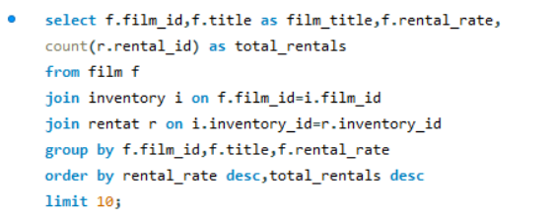

OUTPUT
 |  |  |  | Conclusion

The films "BUCKET BROTHERHOOD," "SCALAWAG DUCK," and "WIFE TURN" have the highest rental rates and are most in demand. Although all films have similar rental rates, these three films stand out with significantly higher total rentals, indicating their popularity and higher demand among viewers.
film_id | film_title | rental_rate | total_rentals
103 | BUCKET BROTHERHOOD | 4.99 | 34
767 | SCALAWAG DUCK | 4.99 | 32
973 | WIFE TURN | 4.99 | 31
1000 | ZORRO ARK | 4.99 | 31
31 | APACHE DIVINE | 4.99 | 31
369 | GOODFELLAS SALUTE | 4.99 | 31
403 | HARRY IDAHO | 4.99 | 30
239 | DOGMA FAMILY | 4.99 | 30
127 | CAT CONEHEADS | 4.99 | 30
979 | WITCHES PANIC | 4.99 | 30

A3
Are there correlations between staff performance and customer satisfaction? |  |  |  |  |  | Visualization
total_rentals_handled and Customer_rating
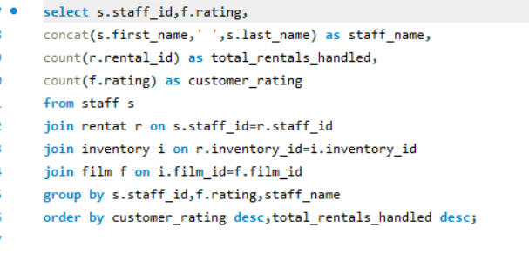

OUTPUT

staff_id | rating | staff_name | total_rentals_handled | customer_rating
1 | PG-13 | Mike Hillyer | 1807 | 1807
2 | PG-13 | Jon Stephens | 1778 | 1778 | Conclusion
1 | NC-17 | Mike Hillyer | 1686 | 1686
The graph suggests that there is no strong correlation between the number of rentals handled by staff (Mike Hillyer and Jon Stephens) and customer satisfaction across different movie ratings. Both staff members have similar levels of customer satisfaction despite variations in the total rentals handled.
2 | PG | Jon Stephens | 1641 | 1641
2 | R | Jon Stephens | 1608 | 1608
2 | NC-17 | Jon Stephens | 1607 | 1607
1 | R | Mike Hillyer | 1573 | 1573
1 | PG | Mike Hillyer | 1571 | 1571
1 | G | Mike Hillyer | 1403 | 1403
2 | G | Jon Stephens | 1370 | 1370

A4
Are there seasonal trends in customer behavior across different locations? |  |  |  |  |  |  | Visualization

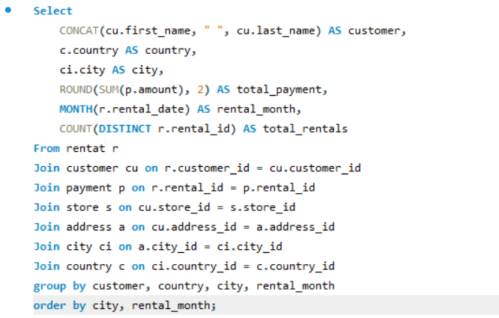

OUTPUT

customer | country | city | total_payment | rental_month | total_rentals
MILDRED BAILEY | India | Jaipur | 9.98 | 2 | 2
TAMMY SANDERS | Taiwan | Changhwa | 8.97 | 2 | 3 | Conclusion
GAIL KNIGHT | Switzerland | Bern | 7.98 | 2 | 2
Based on the graph provided, it appears that customer behavior does vary across different locations, with some locations experiencing a higher number of occurrences. India, for example, has the highest number of occurrences, followed by China and the United States. The Pareto line indicates that a few locations account for a large proportion of the total occurrences. The filter options for different months suggest that there might be seasonal trends in customer behavior, as the data can be analyzed for specific periods. Therefore, it can be concluded that there are indeed seasonal trends in customer behavior across different locations, with some locations showing more significant seasonal variations than others.
CATHY SPENCER | Japan | Kakamigahara | 7.98 | 2 | 2
MARGIE WADE | China | Lengshuijiang | 7.98 | 2 | 2
HEATHER MORRIS | Japan | Nagareyama | 7.98 | 2 | 2
JUSTIN NGO | Brazil | Santo André | 7.98 | 2 | 2
NATALIE MEYER | Brazil | Aparecida de Goiânia | 5.98 | 2 | 2
JORDAN ARCHULETA | Argentina | Avellaneda | 5.98 | 2 | 2
LUCY WHEELER | India | Balurghat | 5.98 | 2 | 2
ELMER NOE | Cambodia | Battambang | 5.98 | 2 | 2
SONIA GREGORY | Nigeria | Benin City | 5.98 | 2 | 2
MORRIS MCCARTER | Taiwan | Fengshan | 5.98 | 2 | 2
CAROLYN PEREZ | Thailand | Pak Kret | 5.98 | 2 | 2
JULIE SANCHEZ | Spain | A Coruña (La Coruña) | 4.99 | 2 | 1
TOM MILNER | United Arab Emirates | Abu Dhabi | 4.99 | 2 | 1
WILLIE MARKHAM | Argentina | Almirante Brown | 4.99 | 2 | 1
CLINTON BUFORD | United States | Aurora | 4.99 | 2 | 1
BRANDON HUEY | Turkey | Balikesir | 4.99 | 2 | 1
LOIS BUTLER | Brunei | Bandar Seri Begawan | 4.99 | 2 | 1
MARIO CHEATHAM | Algeria | Batna | 4.99 | 2 | 1
NORMA GONZALES | Philippines | Bislig | 4.99 | 2 | 1
NORMAN CURRIER | Indonesia | Cianjur | 4.99 | 2 | 1
BETTY WHITE | United States | Citrus Heights | 4.99 | 2 | 1
JUDITH COX | China | Daxian | 4.99 | 2 | 1
BERNARD COLBY | India | Dhule (Dhulia) | 4.99 | 2 | 1
SYLVIA ORTIZ | Colombia | Dos Quebradas | 4.99 | 2 | 1
GRACE ELLIS | Germany | Duisburg | 4.99 | 2 | 1
LAURIE LAWRENCE | India | Firozabad | 4.99 | 2 | 1
STACEY MONTGOMERY | China | Fuyu | 4.99 | 2 | 1
CHRIS BROTHERS | Spain | Gijón | 4.99 | 2 | 1
TRACY COLE | Mexico | Huixquilucan | 4.99 | 2 | 1
VIOLA HANSON | Philippines | Lapu-Lapu | 4.99 | 2 | 1
MARIE TURNER | Russian Federation | Lipetsk | 4.99 | 2 | 1
MATTIE HOFFMAN | United Kingdom | London | 4.99 | 2 | 1
MARGARET MOORE | Oman | Masqat | 4.99 | 2 | 1
ALICIA MILLS | India | Nagaon | 4.99 | 2 | 1
GREG ROBINS | Vietnam | Nam Dinh | 4.99 | 2 | 1
GLORIA COOK | French Polynesia | Papeete | 4.99 | 2 | 1
JOHN FARNSWORTH | India | Parbhani | 4.99 | 2 | 1
STACY CUNNINGHAM | Colombia | Pereira | 4.99 | 2 | 1
PERRY SWAFFORD | Argentina | Quilmes | 4.99 | 2 | 1
COLLEEN BURTON | Germany | Saarbrücken | 4.99 | 2 | 1
LAURA RODRIGUEZ | Morocco | Salé | 4.99 | 2 | 1
MARION SNYDER | Brazil | Santa Brbara dOeste | 4.99 | 2 | 1
WANDA PATTERSON | Colombia | Sincelejo | 4.99 | 2 | 1
LOUISE JENKINS | South Africa | Springs | 4.99 | 2 | 1
FREDDIE DUGGAN | Peru | Sullana | 4.99 | 2 | 1
YOLANDA WEAVER | Tanzania | Tabora | 4.99 | 2 | 1
DIANNE SHELTON | Iran | Tabriz | 4.99 | 2 | 1
RAFAEL ABNEY | Philippines | Talavera | 4.99 | 2 | 1
WILLIE HOWELL | Argentina | Vicente López | 4.99 | 2 | 1
FELIX GAFFNEY | Lithuania | Vilnius | 4.99 | 2 | 1
ROLAND SOUTH | China | Yingkou | 4.99 | 2 | 1
GILBERT SLEDGE | United Kingdom | York | 4.99 | 2 | 1
ANNETTE OLSON | India | Allappuzha (Alleppey) | 3.98 | 2 | 2
HELEN HARRIS | India | Bhopal | 3.98 | 2 | 2
MIGUEL BETANCOURT | Germany | Erlangen | 3.98 | 2 | 2
CHRISTINE ROBERTS | French Polynesia | Faaa | 3.98 | 2 | 2
ALLISON STANLEY | Cambodia | Phnom Penh | 3.98 | 2 | 2
BILL GAVIN | United States | Rockford | 3.98 | 2 | 2
CASSANDRA WALTERS | United States | Salinas | 3.98 | 2 | 2
LAWRENCE LAWTON | Cameroon | Yaoundé | 3.98 | 2 | 2
LARRY THRASHER | Turkey | Adana | 2.99 | 2 | 1
SETH HANNON | Bahrain | al-Manama | 2.99 | 2 | 1
TRAVIS ESTEP | Saudi Arabia | al-Qatif | 2.99 | 2 | 1
CHRISTIAN JUNG | India | Amroha | 2.99 | 2 | 1
JEANNE LAWSON | Turkmenistan | Ashgabat | 2.99 | 2 | 1
SCOTT SHELLEY | United States | Aurora | 2.99 | 2 | 1
ALBERT CROUSE | Cameroon | Bamenda | 2.99 | 2 | 1
ALBERTO HENNING | Venezuela | Barcelona | 2.99 | 2 | 1
KENNETH GOODEN | Israel | Bat Yam | 2.99 | 2 | 1
MELANIE ARMSTRONG | Philippines | Bayugan | 2.99 | 2 | 1
JESSIE MILAM | China | Binzhou | 2.99 | 2 | 1
CARMEN OWENS | Venezuela | Caracas | 2.99 | 2 | 1
BEVERLY BROOKS | Taiwan | Chiayi | 2.99 | 2 | 1
DARRYL ASHCRAFT | Argentina | Ezeiza | 2.99 | 2 | 1
BETH FRANKLIN | Vietnam | Haiphong | 2.99 | 2 | 1
HOLLY FOX | India | Haldia | 2.99 | 2 | 1
GWENDOLYN MAY | Japan | Higashiosaka | 2.99 | 2 | 1
ANDY VANHORN | Mexico | Huejutla de Reyes | 2.99 | 2 | 1
MARILYN ROSS | Nigeria | Ife | 2.99 | 2 | 1
JOE GILLILAND | Philippines | Imus | 2.99 | 2 | 1
KATIE ELLIOTT | Kenya | Kisumu | 2.99 | 2 | 1
MELVIN ELLINGTON | China | Laohekou | 2.99 | 2 | 1
SARAH LEWIS | Latvia | Liepaja | 2.99 | 2 | 1
ANA BRADLEY | United States | Memphis | 2.99 | 2 | 1
CORY MEEHAN | Belarus | Mogiljov | 2.99 | 2 | 1
CYNTHIA YOUNG | India | Munger (Monghyr) | 2.99 | 2 | 1
WENDY HARRISON | Mexico | Nezahualcóyotl | 2.99 | 2 | 1
RAMONA HALE | India | Patiala | 2.99 | 2 | 1
CURTIS IRBY | Canada | Richmond Hill | 2.99 | 2 | 1
TYLER WREN | China | Rizhao | 2.99 | 2 | 1
JOEL FRANCISCO | Bolivia | Sucre | 2.99 | 2 | 1
BRENT HARKINS | Turkey | Sultanbeyli | 2.99 | 2 | 1
KRISTIN JOHNSTON | United States | Sunnyvale | 2.99 | 2 | 1
GINA WILLIAMSON | Yemen | Taizz | 2.99 | 2 | 1
MICHELLE CLARK | Bangladesh | Tangail | 2.99 | 2 | 1
ADRIAN CLARY | Italy | Udine | 2.99 | 2 | 1
COURTNEY DAY | South Korea | Uijongbu | 2.99 | 2 | 1
JEREMY HURTADO | Brazil | Vitória de Santo Antão | 2.99 | 2 | 1
STEPHANIE MITCHELL | Armenia | Yerevan | 2.99 | 2 | 1
GARY COY | China | Yuzhou | 2.99 | 2 | 1
GUY BROWNLEE | China | Zhoushan | 2.99 | 2 | 1
FLORENCE WOODS | Argentina | Merlo | 1.98 | 2 | 2
PEGGY MYERS | Saudi Arabia | Abha | 0.99 | 2 | 1
ZACHARY HITE | United States | Akron | 0.99 | 2 | 1
ANNA HILL | Italy | Alessandria | 0.99 | 2 | 1
TAMARA NGUYEN | Brazil | Anápolis | 0.99 | 2 | 1
CHARLIE BESS | China | Baiyin | 0.99 | 2 | 1
JUDY GRAY | Algeria | Béchar | 0.99 | 2 | 1
NEIL RENNER | Vietnam | Cam Ranh | 0.99 | 2 | 1
CRAIG MORRELL | Philippines | Cavite | 0.99 | 2 | 1
SERGIO STANFIELD | Mexico | Celaya | 0.99 | 2 | 1
APRIL BURNS | United Kingdom | Dundee | 0.99 | 2 | 1
DUSTIN GILLETTE | Netherlands | Emmen | 0.99 | 2 | 1
IAN STILL | United States | Garland | 0.99 | 2 | 1
DERRICK BOURQUE | Canada | Gatineau | 0.99 | 2 | 1
VICKIE BREWER | Germany | Halle/Saale | 0.99 | 2 | 1
ALLEN BUTTERFIELD | India | Hoshiarpur | 0.99 | 2 | 1
CLAUDIA FULLER | Kuwait | Jalib al-Shuyukh | 0.99 | 2 | 1
ROBIN HAYES | Russian Federation | Jelets | 0.99 | 2 | 1
REGINA BERRY | China | Jinchang | 0.99 | 2 | 1
FRED WHEAT | Mexico | Juárez | 0.99 | 2 | 1
NAOMI JENNINGS | India | Karnal | 0.99 | 2 | 1
EMILY DIAZ | South Korea | Kimchon | 0.99 | 2 | 1
BARRY LOVELACE | Zambia | Kitwe | 0.99 | 2 | 1
DAISY BATES | Russian Federation | Kolpino | 0.99 | 2 | 1
JEAN BELL | Malaysia | Kuching | 0.99 | 2 | 1
LAUREN HUDSON | France | Le Mans | 0.99 | 2 | 1
CECIL VINES | United Kingdom | London | 0.99 | 2 | 1
HILDA HOPKINS | Philippines | Mandaluyong | 0.99 | 2 | 1
TERRY GRISSOM | Japan | Matsue | 0.99 | 2 | 1
IVAN CROMWELL | Mexico | Monclova | 0.99 | 2 | 1
DARYL LARUE | Iraq | Mosul | 0.99 | 2 | 1
ELIZABETH BROWN | Taiwan | Nantou | 0.99 | 2 | 1
JEANETTE GREENE | Russian Federation | Novotšerkassk | 0.99 | 2 | 1
JERRY JORDON | Japan | Onomichi | 0.99 | 2 | 1
ENRIQUE FORSYTHE | Greece | Patras | 0.99 | 2 | 1
JENNY CASTRO | Puerto Rico | Ponce | 0.99 | 2 | 1
LEE HAWKS | India | Pudukkottai | 0.99 | 2 | 1
JUANITA MASON | India | Pune | 0.99 | 2 | 1
JOSHUA MARK | India | Rampur | 0.99 | 2 | 1
LISA ANDERSON | Japan | Sagamihara | 0.99 | 2 | 1
KYLE SPURLOCK | China | Shanwei | 0.99 | 2 | 1
ANGELA HERNANDEZ | Japan | Shimonoseki | 0.99 | 2 | 1
GREGORY MAULDIN | Tunisia | Sousse | 0.99 | 2 | 1
JESSIE BANKS | Bulgaria | Stara Zagora | 0.99 | 2 | 1
RAYMOND MCWHORTER | Azerbaijan | Sumqayit | 0.99 | 2 | 1
JAY ROBB | Indonesia | Surakarta | 0.99 | 2 | 1
TERRANCE ROUSH | Hungary | Székesfehérvár | 0.99 | 2 | 1
BECKY MILES | India | Tambaram | 0.99 | 2 | 1
LOUIS LEONE | Philippines | Tanauan | 0.99 | 2 | 1
LEONARD SCHOFIELD | Argentina | Tandil | 0.99 | 2 | 1
MARCIA DEAN | Philippines | Tanza | 0.99 | 2 | 1
ALLAN CORNISH | Philippines | Tarlac | 0.99 | 2 | 1
EDWARD BAUGH | Faroe Islands | Tórshavn | 0.99 | 2 | 1
MILTON HOWLAND | India | Vijayawada | 0.99 | 2 | 1
...

A5
Are certain language films more popular among specific customer segments? |  |  |  |  | Visualizations
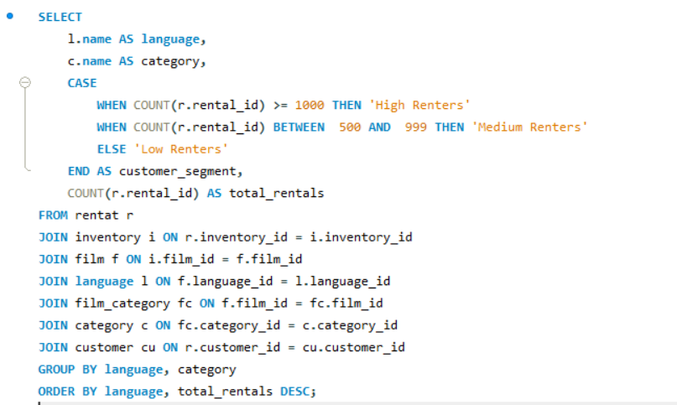

 |  |  |  | Conclusion
Based on the graph provided, it can be concluded that certain film genres are more popular among specific customer segments. High renters tend to prefer genres like Sports, Animation, Action, and Sci-Fi, while genres like Documentary, Foreign, and Classics are less popular among these segments. This indicates that customer preferences vary significantly based on the type of films they choose to rent.

 | OUTPUT

language | category | customer_segment | total_rentals
English | Sports | High Renters | 1179
English | Animation | High Renters | 1166
English | Action | High Renters | 1112
English | Sci-Fi | High Renters | 1101
English | Family | High Renters | 1096
English | Drama | High Renters | 1060
English | Documentary | High Renters | 1050
English | Foreign | High Renters | 1033
English | Games | Medium Renters | 969
English | Children | Medium Renters | 945
English | Comedy | Medium Renters | 941
English | New | Medium Renters | 940
English | Classics | Medium Renters | 939
English | Horror | Medium Renters | 846
English | Travel | Medium Renters | 837
English | Music | Medium Renters | 830

A6
How does customer loyalty impact sales revenue over time? |  |  |  |  | Visualization

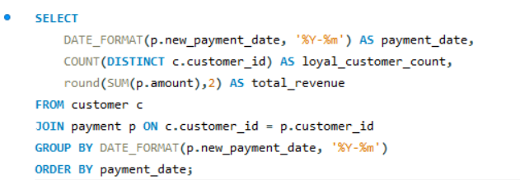

 | Output

 | payment_date | loyal_customer_count | total_revenue
 | 2005-05 | 520 | 4823.44
 | 2005-06 | 590 | 9629.89
 | 2005-07 | 599 | 28368.91 | Conclusion
 | 2005-08 | 599 | 24070.14
Based on the graph provided, customer loyalty positively impacts sales revenue over time. The data shows that periods with higher numbers of loyal customers coincide with increased sales revenue. Conversely, a significant drop in loyal customers, as observed in 2006, correlates with a decrease in sales revenue. This suggests that maintaining customer loyalty is crucial for sustaining and growing sales revenue.
 | 2006-02 | 158 | 514.18

A7
Are certain film categories more popular in specific locations? |  |  |  |  | Visualization
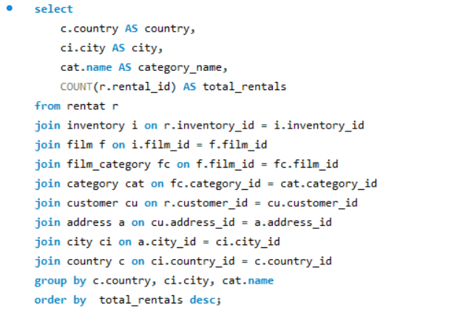
 | total_rentals
Pontianak | 7
Cuautla | 7
Richmond Hill | 6
Fontana | 6
Urawa | 6
Poá | 6
Caracas | 6
Laiwu | 6
Bhilwara | 6
Pjatigorsk | 6
Avellaneda | 6
Nyeri | 6
Toulouse | 5
Hsichuh | 5
Dayton | 5
Aurora | 5
Bahía Blanca | 5
Hodeida | 5
Batman | 5
Hoshiarpur | 5
Probolinggo | 5
Sanaa | 5
Shahr-e Kord | 5
Duisburg | 4
Baiyin | 4
Vijayawada | 4
Sumqayit | 4
Pak Kret | 4
Tokat | 4
Qomsheh | 4
Yaoundé | 4
Botosani | 4
Halisahar | 4
Abu Dhabi | 4
Gijón | 4
Rae Bareli | 4
Vaduz | 4
Halle/Saale | 4
La Plata | 4
Benin City | 4
Oulu | 4
Suihua | 4
al-Qatif | 4
Sorocaba | 4
al-Manama | 4
Simferopol | 4
London | 4
Athenai | 4
Antofagasta | 4
Baybay | 4
...

 | OUTPUT

country | city | category_name | total_rentals | Conclusion
Indonesia | Pontianak | Action | 7
Based on the "total_rentals" bar graph, it's evident that certain film categories are more popular in specific locations. For instance, Pontianak shows the highest number of rentals, suggesting a strong preference for certain categories in this location. Meanwhile, locations like Baicheng and Santiago de Juárez have lower rental numbers, indicating lesser popularity for those film categories.
The slicer feature allows for dynamic filtering of the data based on specific film categories, providing a more nuanced view of rental trends. By adjusting the slicer, one can observe how the popularity of each film category varies across different locations. This interactive element helps in identifying key patterns and preferences, supporting the idea that targeted marketing strategies tailored to regional tastes could be highly effective.
Mexico | Cuautla | Action | 7
Canada | Richmond Hill | Action | 6
United States | Fontana | Action | 6
Japan | Urawa | Action | 6
Brazil | Poá | Action | 6
Venezuela | Caracas | Action | 6
China | Laiwu | Action | 6
India | Bhilwara | Action | 6
Russian Federation | Pjatigorsk | Action | 6
Argentina | Avellaneda | Action | 6
Kenya | Nyeri | Action | 6
France | Toulouse | Action | 5
Taiwan | Hsichuh | Action | 5
United States | Dayton | Action | 5
United States | Aurora | Action | 5
Argentina | Bahía Blanca | Action | 5
Yemen | Hodeida | Action | 5
Turkey | Batman | Action | 5
India | Hoshiarpur | Action | 5
Indonesia | Probolinggo | Action | 5
Yemen | Sanaa | Action | 5
Iran | Shahr-e Kord | Action | 5
Germany | Duisburg | Action | 4
China | Baiyin | Action | 4
India | Vijayawada | Action | 4
Azerbaijan | Sumqayit | Action | 4
Thailand | Pak Kret | Action | 4
Turkey | Tokat | Action | 4
Iran | Qomsheh | Action | 4
Cameroon | Yaoundé | Action | 4
Romania | Botosani | Action | 4
India | Halisahar | Action | 4
United Arab Emirates | Abu Dhabi | Action | 4
Spain | Gijón | Action | 4
India | Rae Bareli | Action | 4
Liechtenstein | Vaduz | Action | 4
Germany | Halle/Saale | Action | 4
Argentina | La Plata | Action | 4
Nigeria | Benin City | Action | 4
Finland | Oulu | Action | 4
China | Suihua | Action | 4
Saudi Arabia | al-Qatif | Action | 4
Brazil | Sorocaba | Action | 4
Bahrain | al-Manama | Action | 4
Ukraine | Simferopol | Action | 4
United Kingdom | London | Action | 4
Greece | Athenai | Action | 4
Chile | Antofagasta | Action | 4
Philippines | Baybay | Action | 4
Ukraine | Mukatševe | Action | 4
Mexico | Guadalajara | Action | 4
India | Etawah | Action | 4
Yemen | Aden | Action | 4
China | Datong | Action | 4
Taiwan | Changhwa | Action | 4
Russian Federation | Korolev | Action | 4
Belarus | Mogiljov | Action | 4
Belarus | Molodetšno | Action | 4
Colombia | Dos Quebradas | Action | 4
India | Munger (Monghyr) | Action | 4
Israel | Ashdod | Action | 4
Indonesia | Lhokseumawe | Action | 4
Italy | Brescia | Action | 4
Pakistan | Shikarpur | Action | 4
Brazil | Juazeiro do Norte | Action | 4
Philippines | Taguig | Action | 4
Austria | Linz | Action | 4
India | Jaipur | Action | 4
Saudi Arabia | Tabuk | Action | 4
Brazil | Angra dos Reis | Action | 3
Indonesia | Ciomas | Action | 3
Myanmar | Monywa | Action | 3
United States | Salinas | Action | 3
Ecuador | Portoviejo | Action | 3
China | Qinhuangdao | Action | 3
France | Toulon | Action | 3
Russian Federation | Nabereznyje Tšelny | Action | 3
India | Chandrapur | Action | 3
Vietnam | Nha Trang | Action | 3
Malaysia | Sungai Petani | Action | 3
China | Hohhot | Action | 3
India | Uluberia | Action | 3
Japan | Matsue | Action | 3
Germany | Erlangen | Action | 3
Gambia | Banjul | Action | 3
Turkey | Adana | Action | 3
Poland | Jastrzebie-Zdrój | Action | 3
Brazil | Poços de Caldas | Action | 3
Poland | Tychy | Action | 3
India | Pathankot | Action | 3
Mexico | El Fuerte | Action | 3
South Africa | Boksburg | Action | 3
Japan | Ueda | Action | 3
Malaysia | Kuching | Action | 3
India | Hubli-Dharwad | Action | 3
Pakistan | Dadu | Action | 3
United Kingdom | York | Action | 3
Japan | Izumisano | Action | 3
South Africa | Rustenburg | Action | 3
Philippines | Lapu-Lapu | Action | 3
Latvia | Daugavpils | Action | 3
Brazil | Santo André | Action | 3
United States | San Bernardino | Action | 3
French Polynesia | Papeete | Action | 3
Saudi Arabia | Jedda | Action | 3
Colombia | Buenaventura | Action | 3
India | Tambaram | Action | 3
India | Haldia | Action | 3
French Guiana | Cayenne | Action | 3
Egypt | Bilbays | Action | 3
Philippines | Cavite | Action | 3
Colombia | Sincelejo | Action | 3
Venezuela | Ocumare del Tuy | Action | 3
Réunion | Saint-Denis | Action | 3
India | Gulbarga | Action | 3
Mexico | Valle de Santiago | Action | 3
...

A8
How does the availability and knowledge of staff affect customer ratings? |  |  |  |  |  | Visualization

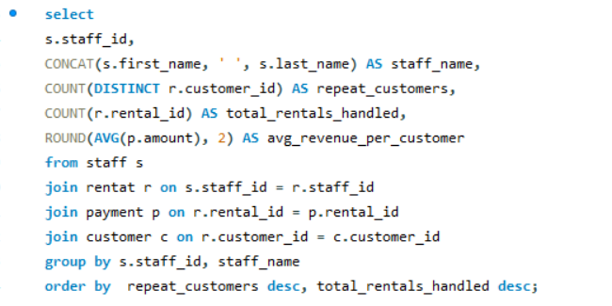

 |  | OUTPUT
 |  |  |  |  | Conclusion
staff_id | staff_name | repeat_customers | total_rentals_handled | avg_revenue_per_customer
Based on the "repeat_customers" pie chart, it can be observed that both Mike Hillyer and Jon Stephens have an equal number of repeat customers, with 599 each. This indicates that the availability and knowledge of these staff members positively impact customer ratings, as customers are more likely to return when they receive excellent service. The equal distribution of repeat customers between the two staff members suggests that both are highly effective in their roles, contributing significantly to customer satisfaction and loyalty.
1 | Mike Hillyer | 599 | 8040 | 4.17
2 | Jon Stephens | 599 | 8004 | 4.23

A9
How does the proximity of stores to customers impact rental frequency? |  |  |  |  |  | Visualizations
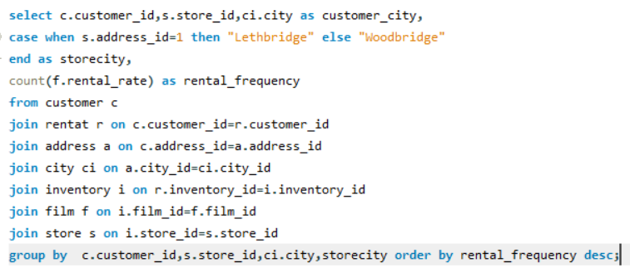
 | store_id | customer_city | storecity | rental_frequency
 | 2 | 0 | 0 | 26
 | 2 | 0 | 0 | 25
 | 1 | 0 | 0 | 25
 | 2 | 0 | 0 | 25
 | 1 | 0 | 0 | 25
 | 2 | 0 | 0 | 24
 | 2 | 0 | 0 | 23
 | 2 | 0 | 0 | 23
 | 2 | 0 | 0 | 23
 | 1 | 0 | 0 | 23
 | 2 | 0 | 0 | 23
 | 2 | 0 | 0 | 23
 | 2 | 0 | 0 | 23
 | 1 | 0 | 0 | 23
 | 2 | 0 | 0 | 22
 | 2 | 0 | 0 | 22
 | 2 | 0 | 0 | 22
 | 1 | 0 | 0 | 22
 | 1 | 0 | 0 | 22
 | 1 | 0 | 0 | 22
 | 1 | 0 | 0 | 22
 | 1 | 0 | 0 | 22
 | 2 | 0 | 0 | 21
 | 2 | 0 | 0 | 21
 | 2 | 0 | 0 | 21
 | 1 | 0 | 0 | 21
 | 2 | 0 | 0 | 21
 | 2 | 0 | 0 | 21
 | 2 | 0 | 0 | 21
 | 1 | 0 | 0 | 21
 | 1 | 0 | 0 | 21
 | 1 | 0 | 0 | 21
 | 2 | 0 | 0 | 21
 | 1 | 0 | 0 | 21
 | 1 | 0 | 0 | 21
 | 2 | 0 | 0 | 21
 | 1 | 0 | 0 | 21
 | 2 | 0 | 0 | 20
 | 1 | 0 | 0 | 20
 | 2 | 0 | 0 | 20
 | 2 | 0 | 0 | 20
 | 2 | 0 | 0 | 20
 | 2 | 0 | 0 | 20
 | 1 | 0 | 0 | 20
 | 2 | 0 | 0 | 20
 | 2 | 0 | 0 | 20
 | 1 | 0 | 0 | 20
 | 2 | 0 | 0 | 20
 | 1 | 0 | 0 | 20
 | 2 | 0 | 0 | 20
...

 | OUTPUT

The graph highlights the rental frequency across different store IDs, demonstrating that stores with lower IDs tend to have higher rental frequencies. This suggests that proximity to customers significantly impacts rental frequency, with closer or more centrally located stores experiencing more frequent rentals. As the store ID increases, indicating potentially greater distance from customers, the rental frequency gradually decreases. Therefore, to maximize rentals, store location and proximity to customers should be key considerations.
 | customer_id | store_id | customer_city | storecity | rental_frequency | Conclusion
 | 473 | 2 | Lhokseumawe | Woodbridge | 26
 | 144 | 2 | Molodetšno | Woodbridge | 25
 | 207 | 1 | Nuuk | Lethbridge | 25
 | 148 | 2 | Saint-Denis | Woodbridge | 25
 | 236 | 1 | Tanza | Lethbridge | 25
 | 526 | 2 | Cape Coral | Woodbridge | 24
 | 209 | 2 | Bhilwara | Woodbridge | 23
 | 469 | 2 | Ourense (Orense) | Woodbridge | 23
 | 360 | 2 | Arecibo | Woodbridge | 23
 | 137 | 1 | Apeldoorn | Lethbridge | 23
 | 390 | 2 | Nakhon Sawan | Woodbridge | 23
 | 75 | 2 | Changhwa | Woodbridge | 23
 | 533 | 2 | Binzhou | Woodbridge | 23
 | 560 | 1 | Avellaneda | Lethbridge | 23
 | 50 | 2 | Omdurman | Woodbridge | 22
 | 295 | 2 | Kolpino | Woodbridge | 22
 | 257 | 2 | Beira | Woodbridge | 22
 | 244 | 1 | Lapu-Lapu | Lethbridge | 22
 | 138 | 1 | Hohhot | Lethbridge | 22
 | 125 | 1 | Boksburg | Lethbridge | 22
 | 197 | 1 | Changzhou | Lethbridge | 22
 | 356 | 1 | Satna | Lethbridge | 22
 | 366 | 2 | Balikesir | Woodbridge | 21
 | 108 | 2 | Huixquilucan | Woodbridge | 21
 | 260 | 2 | Datong | Woodbridge | 21
 | 468 | 1 | Bijapur | Lethbridge | 21
 | 196 | 2 | Mannheim | Woodbridge | 21
 | 53 | 2 | Nagareyama | Woodbridge | 21
 | 198 | 2 | Ikerre | Woodbridge | 21
 | 373 | 1 | Tanauan | Lethbridge | 21
 | 148 | 1 | Saint-Denis | Lethbridge | 21
 | 526 | 1 | Cape Coral | Lethbridge | 21
 | 354 | 2 | Santo André | Woodbridge | 21
 | 273 | 1 | Salamanca | Lethbridge | 21
 | 178 | 1 | Santa Brbara dOeste | Lethbridge | 21
 | 576 | 2 | Fengshan | Woodbridge | 21
 | 119 | 1 | Shubra al-Khayma | Lethbridge | 21
 | 387 | 2 | Lubumbashi | Woodbridge | 20
 | 114 | 1 | Duisburg | Lethbridge | 20
 | 346 | 2 | Maikop | Woodbridge | 20
 | 451 | 2 | El Fuerte | Woodbridge | 20
 | 439 | 2 | Bergamo | Woodbridge | 20
 | 168 | 2 | Jinchang | Woodbridge | 20
 | 239 | 1 | Ciomas | Lethbridge | 20
 | 91 | 2 | Bandar Seri Begawan | Woodbridge | 20
 | 297 | 2 | Ahmadnagar | Woodbridge | 20
 | 441 | 1 | Batna | Lethbridge | 20
 | 5 | 2 | Nantou | Woodbridge | 20
 | 129 | 1 | Liaocheng | Lethbridge | 20
 | 26 | 2 | Città del Vaticano | Woodbridge | 20
 | 499 | 2 | Brindisi | Woodbridge | 20
 | 210 | 1 | Aden | Lethbridge | 20
 | 84 | 2 | Atlixco | Woodbridge | 20
 | 120 | 1 | Dos Quebradas | Lethbridge | 20
 | 410 | 1 | Richmond Hill | Lethbridge | 20
 | 513 | 2 | Yangor | Woodbridge | 20
 | 459 | 2 | Qomsheh | Woodbridge | 20
 | 21 | 1 | Tangail | Lethbridge | 20
 | 1 | 1 | Sasebo | Lethbridge | 20
 | 380 | 2 | Tychy | Woodbridge | 20
 | 78 | 2 | Rae Bareli | Woodbridge | 20
 | 563 | 2 | Bucuresti | Woodbridge | 20
 | 267 | 1 | Lengshuijiang | Lethbridge | 19
 | 371 | 1 | Cabuyao | Lethbridge | 19
 | 438 | 1 | Kitwe | Lethbridge | 19
 | 89 | 2 | La Plata | Woodbridge | 19
 | 51 | 1 | Fontana | Lethbridge | 19
 | 181 | 2 | Memphis | Woodbridge | 19
 | 316 | 1 | Miraj | Lethbridge | 19
 | 479 | 2 | Akron | Woodbridge | 19
 | 404 | 2 | Omiya | Woodbridge | 19
 | 122 | 1 | Lima | Lethbridge | 19
 | 23 | 1 | Liepaja | Lethbridge | 19
 | 274 | 2 | Karnal | Woodbridge | 19
 | 363 | 2 | Nyeri | Woodbridge | 19
 | 515 | 2 | Coquimbo | Woodbridge | 19
 | 299 | 2 | Hiroshima | Woodbridge | 19
 | 348 | 1 | Hsichuh | Lethbridge | 19
 | 396 | 1 | Iwatsuki | Lethbridge | 19
 | 309 | 2 | Brescia | Woodbridge | 19
 | 166 | 2 | Lilongwe | Woodbridge | 19
 | 167 | 2 | Chandrapur | Woodbridge | 19
 | 96 | 2 | Augusta-Richmond County | Woodbridge | 19
 | 347 | 2 | Daugavpils | Woodbridge | 19
 | 454 | 2 | Uruapan | Woodbridge | 19
 | 550 | 1 | Zhoushan | Lethbridge | 19
 | 176 | 2 | Skikda | Woodbridge | 19
 | 381 | 1 | South Hill | Lethbridge | 19
 | 574 | 2 | Akishima | Woodbridge | 19
 | 485 | 2 | Shaoguan | Woodbridge | 19
 | 403 | 1 | Valparai | Lethbridge | 19
 | 147 | 2 | Urawa | Woodbridge | 19
 | 29 | 2 | Shimonoseki | Woodbridge | 19
 | 66 | 2 | Malmö | Woodbridge | 18
 | 482 | 2 | Coatzacoalcos | Woodbridge | 18
 | 468 | 2 | Bijapur | Woodbridge | 18
 | 5 | 1 | Nantou | Lethbridge | 18
 | 77 | 1 | Araçatuba | Lethbridge | 18
 | 46 | 2 | Moscow | Woodbridge | 18
 | 197 | 2 | Changzhou | Woodbridge | 18
 | 400 | 2 | Dallas | Woodbridge | 18
 | 342 | 2 | Boa Vista | Woodbridge | 18
 | 31 | 1 | Kamarhati | Lethbridge | 18
 | 52 | 2 | A Coruña (La Coruña) | Woodbridge | 18
 | 211 | 1 | Fuyu | Lethbridge | 18
 | 391 | 1 | Izumisano | Lethbridge | 18
 | 327 | 1 | Adana | Lethbridge | 18
 | 172 | 1 | Batman | Lethbridge | 18
 | 7 | 1 | Kragujevac | Lethbridge | 18
 | 75 | 1 | Changhwa | Lethbridge | 18
 | 206 | 1 | Blumenau | Lethbridge | 18
 | 506 | 1 | Pontianak | Lethbridge | 18
 | 254 | 1 | Poços de Caldas | Lethbridge | 18
 | 329 | 1 | Jamalpur | Lethbridge | 18
 | 229 | 1 | Anápolis | Lethbridge | 18
 | 368 | 2 | Najafabad | Woodbridge | 18
 | 15 | 2 | Bhopal | Woodbridge | 18
 | 284 | 1 | Benin City | Lethbridge | 18
 | 293 | 1 | Donostia-San Sebastián | Lethbridge | 18
 | 448 | 2 | Erlangen | Woodbridge | 18
 | 393 | 2 | Korolev | Woodbridge | 18
 | 282 | 1 | Ponce | Lethbridge | 18
 | 251 | 2 | Halle/Saale | Woodbridge | 18
 | 279 | 2 | Tabriz | Woodbridge | 18
 | 459 | 1 | Qomsheh | Lethbridge | 18
 | 410 | 2 | Richmond Hill | Woodbridge | 18
 | 178 | 2 | Santa Brbara dOeste | Woodbridge | 18
 | 502 | 1 | Siliguri (Shiliguri) | Lethbridge | 18
 | 385 | 1 | Tama | Lethbridge | 18
 | 569 | 2 | Leshan | Woodbridge | 18
 | 242 | 2 | Qinhuangdao | Woodbridge | 18
 | 426 | 1 | Purnea (Purnia) | Lethbridge | 18
 | 16 | 1 | Southend-on-Sea | Lethbridge | 18
 | 269 | 2 | Salinas | Woodbridge | 18
 | 176 | 1 | Skikda | Lethbridge | 18
 | 87 | 2 | Sincelejo | Woodbridge | 18
 | 161 | 2 | Tel Aviv-Jaffa | Woodbridge | 18
 | 334 | 1 | Sumqayit | Lethbridge | 18
 | 146 | 1 | Sterling Heights | Lethbridge | 18
 | 547 | 2 | Kanazawa | Woodbridge | 18
 | 145 | 2 | Soshanguve | Woodbridge | 18
 | 444 | 1 | Tartu | Lethbridge | 18
 | 462 | 1 | Usolje-Sibirskoje | Lethbridge | 18
 | 303 | 1 | Sanaa | Lethbridge | 18
 | 596 | 1 | Patras | Lethbridge | 18
 | 503 | 2 | Ueda | Woodbridge | 18
 | 319 | 2 | San Felipe del Progreso | Woodbridge | 18
 | 204 | 1 | Usak | Lethbridge | 18
 | 11 | 2 | Sagamihara | Woodbridge | 18
 | 314 | 2 | Sorocaba | Woodbridge | 18
 | 30 | 1 | Lungtan | Lethbridge | 17
 | 14 | 1 | Citrus Heights | Lethbridge | 17
 | 141 | 1 | Fukuyama | Lethbridge | 17
 | 49 | 1 | Jedda | Lethbridge | 17
 | 27 | 2 | Davao | Woodbridge | 17
 | 267 | 2 | Lengshuijiang | Woodbridge | 17
 | 128 | 2 | Jastrzebie-Zdrój | Woodbridge | 17
 | 208 | 1 | Balurghat | Lethbridge | 17
 | 256 | 1 | Monywa | Lethbridge | 17
 | 506 | 2 | Pontianak | Woodbridge | 17
 | 348 | 2 | Hsichuh | Woodbridge | 17
 | 237 | 1 | Naju | Lethbridge | 17
 | 30 | 2 | Lungtan | Woodbridge | 17
 | 307 | 2 | Angra dos Reis | Woodbridge | 17
 | 461 | 2 | Gingoog | Woodbridge | 17
 | 296 | 1 | Patiala | Lethbridge | 17
 | 447 | 1 | Nabereznyje Tšelny | Lethbridge | 17
 | 3 | 1 | Athenai | Lethbridge | 17
 | 230 | 2 | Botosani | Woodbridge | 17
 | 102 | 2 | Ashdod | Woodbridge | 17
 | 59 | 2 | Mysore | Woodbridge | 17
 | 470 | 1 | Hodeida | Lethbridge | 17
 | 275 | 2 | Peoria | Woodbridge | 17
 | 38 | 1 | Chisinau | Lethbridge | 17
 | 179 | 1 | Kirovo-Tšepetsk | Lethbridge | 17
 | 333 | 2 | Baku | Woodbridge | 17
 | 163 | 1 | Kakamigahara | Lethbridge | 17
 | 452 | 1 | Abu Dhabi | Lethbridge | 17
 | 368 | 1 | Najafabad | Lethbridge | 17
 | 469 | 1 | Ourense (Orense) | Lethbridge | 17
 | 151 | 1 | Laiwu | Lethbridge | 17
 | 71 | 2 | Baybay | Woodbridge | 17
 | 38 | 2 | Chisinau | Woodbridge | 17
 | 32 | 2 | Jhansi | Woodbridge | 17
 | 338 | 1 | Paarl | Lethbridge | 17
 | 158 | 1 | Greensboro | Lethbridge | 17
 | 406 | 1 | Charlotte Amalie | Lethbridge | 17
 | 131 | 2 | Mukatševe | Woodbridge | 17
 | 64 | 1 | Daxian | Lethbridge | 17
 | 268 | 1 | Palghat (Palakkad) | Lethbridge | 17
 | 386 | 1 | Kamjanets-Podilskyi | Lethbridge | 17
 | 222 | 2 | Jaroslavl | Woodbridge | 17
 | 56 | 2 | Papeete | Woodbridge | 17
 | 144 | 1 | Molodetšno | Lethbridge | 17
 | 186 | 2 | Haldia | Woodbridge | 17
 | 416 | 2 | Dadu | Woodbridge | 17
 | 225 | 2 | Ambattur | Woodbridge | 17
 | 277 | 1 | Ogbomosho | Lethbridge | 17
 | 520 | 1 | Nha Trang | Lethbridge | 17
 | 340 | 1 | Hanoi | Lethbridge | 17
 | 103 | 1 | Ilorin | Lethbridge | 17
 | 566 | 2 | Tokat | Woodbridge | 17
 | 25 | 2 | Shikarpur | Woodbridge | 17
 | 214 | 2 | Sunnyvale | Woodbridge | 17
 | 372 | 1 | Probolinggo | Lethbridge | 17
 | 442 | 2 | Tongliao | Woodbridge | 17
 | 566 | 1 | Tokat | Lethbridge | 17
 | 559 | 1 | Bilbays | Lethbridge | 17
 | 290 | 2 | Valle de la Pascua | Woodbridge | 17
 | 595 | 1 | Jinzhou | Lethbridge | 17
 | 405 | 2 | Tandil | Woodbridge | 17
 | 372 | 2 | Probolinggo | Woodbridge | 17
 | 529 | 1 | Bhimavaram | Lethbridge | 17
 | 241 | 2 | Xi´angfan | Woodbridge | 17
 | 204 | 2 | Usak | Woodbridge | 17
 | 245 | 2 | Uijongbu | Woodbridge | 17
 | 266 | 2 | Salzburg | Woodbridge | 17
 | 29 | 1 | Shimonoseki | Lethbridge | 17
 | 522 | 2 | Santa Rosa | Woodbridge | 17
 | 190 | 2 | Tabora | Woodbridge | 17
 | 241 | 1 | Xi´angfan | Lethbridge | 17
 | 580 | 2 | Iligan | Woodbridge | 17
 | 86 | 1 | Songkhla | Lethbridge | 17
 | 361 | 1 | Yaoundé | Lethbridge | 17
 | 236 | 2 | Tanza | Woodbridge | 17
 | 425 | 1 | San Juan Bautista Tuxtepec | Lethbridge | 17
 | 446 | 1 | Uluberia | Lethbridge | 17
 | 418 | 1 | San Felipe de Puerto Plata | Lethbridge | 17
 | 535 | 2 | NDjamna | Woodbridge | 17
 | 92 | 2 | Goiânia | Woodbridge | 16
 | 259 | 1 | Halisahar | Lethbridge | 16
 | 371 | 2 | Cabuyao | Woodbridge | 16
 | 66 | 1 | Malmö | Lethbridge | 16
 | 362 | 2 | Belém | Woodbridge | 16
 | 42 | 1 | Pak Kret | Lethbridge | 16
 | 434 | 1 | Ozamis | Lethbridge | 16
 | 230 | 1 | Botosani | Lethbridge | 16
 | 100 | 2 | Jelets | Woodbridge | 16
 | 419 | 2 | Katihar | Woodbridge | 16
 | 115 | 1 | Nezahualcóyotl | Lethbridge | 16
 | 408 | 1 | Jaffna | Lethbridge | 16
 | 376 | 2 | Kurgan | Woodbridge | 16
 | 112 | 1 | Lancaster | Lethbridge | 16
 | 64 | 2 | Daxian | Woodbridge | 16
 | 60 | 1 | Jaipur | Lethbridge | 16
 | 126 | 2 | Poá | Woodbridge | 16
 | 109 | 2 | Klerksdorp | Woodbridge | 16
 | 80 | 2 | Ife | Woodbridge | 16
 | 20 | 1 | Mardan | Lethbridge | 16
 | 102 | 1 | Ashdod | Lethbridge | 16
 | 28 | 2 | Munger (Monghyr) | Woodbridge | 16
 | 171 | 2 | Ipoh | Woodbridge | 16
 | 383 | 2 | Namibe | Woodbridge | 16
 | 472 | 2 | Nam Dinh | Woodbridge | 16
 | 13 | 2 | Osmaniye | Woodbridge | 16
 | 237 | 2 | Naju | Woodbridge | 16
 | 259 | 2 | Halisahar | Woodbridge | 16
 | 149 | 2 | Brockton | Woodbridge | 16
 | 274 | 1 | Karnal | Lethbridge | 16
 | 46 | 1 | Moscow | Lethbridge | 16
 | 295 | 1 | Kolpino | Lethbridge | 16
 | 322 | 2 | Bahía Blanca | Woodbridge | 16
 | 289 | 2 | Kowloon and New Kowloon | Woodbridge | 16
 | 263 | 2 | Mandaluyong | Woodbridge | 16
 | 397 | 1 | Atšinsk | Lethbridge | 16
 | 198 | 1 | Ikerre | Lethbridge | 16
 | 69 | 2 | Béchar | Woodbridge | 16
 | 137 | 2 | Apeldoorn | Woodbridge | 16
 | 366 | 1 | Balikesir | Lethbridge | 16
 | 150 | 2 | Hidalgo | Woodbridge | 16
 | 362 | 1 | Belém | Lethbridge | 16
 | 332 | 1 | Dhaka | Lethbridge | 16
 | 300 | 1 | Parbhani | Lethbridge | 16
 | 323 | 1 | Cuautla | Lethbridge | 16
 | 28 | 1 | Munger (Monghyr) | Lethbridge | 16
 | 121 | 1 | Etawah | Lethbridge | 16
 | 211 | 2 | Fuyu | Woodbridge | 16
 | 357 | 2 | Bratislava | Woodbridge | 16
 | 65 | 2 | Cayenne | Woodbridge | 16
 | 98 | 2 | al-Ayn | Woodbridge | 16
 | 54 | 2 | Iwakuni | Woodbridge | 16
 | 265 | 2 | Olomouc | Woodbridge | 16
 | 460 | 2 | Florencia | Woodbridge | 16
 | 177 | 2 | Matamoros | Woodbridge | 16
 | 113 | 1 | Cumaná | Lethbridge | 16
 | 439 | 1 | Bergamo | Lethbridge | 16
 | 388 | 1 | Cavite | Lethbridge | 16
 | 200 | 1 | Ashgabat | Lethbridge | 16
 | 143 | 2 | Kilis | Woodbridge | 16
 | 381 | 2 | South Hill | Woodbridge | 16
 | 502 | 2 | Siliguri (Shiliguri) | Woodbridge | 16
 | 536 | 2 | Tonghae | Woodbridge | 16
 | 551 | 2 | Alvorada | Woodbridge | 16
 | 508 | 1 | Vijayawada | Lethbridge | 16
 | 424 | 1 | Shanwei | Lethbridge | 16
 | 423 | 2 | Sawhaj | Woodbridge | 16
 | 135 | 2 | Pune | Woodbridge | 16
 | 522 | 1 | Santa Rosa | Lethbridge | 16
 | 565 | 2 | Huánuco | Woodbridge | 16
 | 532 | 2 | Cam Ranh | Woodbridge | 16
 | 403 | 2 | Valparai | Woodbridge | 16
 | 219 | 1 | Vicente López | Lethbridge | 16
 | 456 | 1 | Ziguinchor | Lethbridge | 16
 | 339 | 1 | Xinxiang | Lethbridge | 16
 | 35 | 1 | Toulouse | Lethbridge | 16
 | 306 | 1 | Sungai Petani | Lethbridge | 16
 | 35 | 2 | Toulouse | Woodbridge | 16
 | 380 | 1 | Tychy | Lethbridge | 16
 | 407 | 1 | Rustenburg | Lethbridge | 16
 | 484 | 2 | Yinchuan | Woodbridge | 16
 | 336 | 1 | Rampur | Lethbridge | 16
 | 86 | 2 | Songkhla | Woodbridge | 16
 | 490 | 1 | Sogamoso | Lethbridge | 16
 | 104 | 2 | Toulon | Woodbridge | 16
 | 306 | 2 | Sungai Petani | Woodbridge | 16
 | 221 | 2 | Syrakusa | Woodbridge | 16
 | 494 | 1 | Ríobamba | Lethbridge | 16
 | 532 | 1 | Cam Ranh | Lethbridge | 16
 | 157 | 2 | Pyongyang | Woodbridge | 16
 | 276 | 1 | Warren | Lethbridge | 16
 | 579 | 1 | Mosul | Lethbridge | 16
 | 2 | 1 | San Bernardino | Lethbridge | 16
 | 538 | 1 | Baicheng | Lethbridge | 16
 | 562 | 2 | Sokoto | Woodbridge | 16
 | 287 | 2 | Tambaram | Woodbridge | 16
 | 249 | 2 | Tianjin | Woodbridge | 16
 | 220 | 1 | Zanzibar | Lethbridge | 16
 | 389 | 1 | Emeishan | Lethbridge | 15
 | 233 | 2 | Idfu | Woodbridge | 15
 | 474 | 2 | Emmen | Woodbridge | 15
 | 467 | 2 | Cuauhtémoc | Woodbridge | 15
 | 487 | 1 | Pjatigorsk | Lethbridge | 15
 | 512 | 2 | London | Woodbridge | 15
 | 90 | 1 | Meixian | Lethbridge | 15
 | 298 | 1 | Oulu | Lethbridge | 15
 | 304 | 1 | Callao | Lethbridge | 15
 | 349 | 2 | Imus | Woodbridge | 15
 | 406 | 2 | Charlotte Amalie | Woodbridge | 15
 | 172 | 2 | Batman | Woodbridge | 15
 | 491 | 1 | Mit Ghamr | Lethbridge | 15
 | 300 | 2 | Parbhani | Woodbridge | 15
 | 19 | 2 | Kimberley | Woodbridge | 15
 | 63 | 2 | Lincoln | Woodbridge | 15
 | 257 | 1 | Beira | Lethbridge | 15
 | 152 | 1 | Nagaon | Lethbridge | 15
 | 173 | 2 | Graz | Woodbridge | 15
 | 24 | 2 | Córdoba | Woodbridge | 15
 | 107 | 2 | Merlo | Woodbridge | 15
 | 470 | 2 | Hodeida | Woodbridge | 15
 | 247 | 2 | Coacalco de Berriozábal | Woodbridge | 15
 | 520 | 2 | Nha Trang | Woodbridge | 15
 | 128 | 1 | Jastrzebie-Zdrój | Lethbridge | 15
 | 105 | 2 | Funafuti | Woodbridge | 15
 | 341 | 1 | Ede | Lethbridge | 15
 | 202 | 2 | Bhusawal | Woodbridge | 15
 | 452 | 2 | Abu Dhabi | Woodbridge | 15
 | 278 | 1 | Inegöl | Lethbridge | 15
 | 216 | 1 | Aparecida de Goiânia | Lethbridge | 15
 | 337 | 2 | Onomichi | Woodbridge | 15
 | 283 | 1 | Korla | Lethbridge | 15
 | 277 | 2 | Ogbomosho | Woodbridge | 15
 | 58 | 1 | Kuching | Lethbridge | 15
 | 234 | 2 | Jalib al-Shuyukh | Woodbridge | 15
 | 141 | 2 | Fukuyama | Woodbridge | 15
 | 323 | 2 | Cuautla | Woodbridge | 15
 | 253 | 1 | Miyakonojo | Lethbridge | 15
 | 175 | 1 | Allappuzha (Alleppey) | Lethbridge | 15
 | 181 | 1 | Memphis | Lethbridge | 15
 | 509 | 2 | Chapra | Woodbridge | 15
 | 158 | 2 | Greensboro | Woodbridge | 15
 | 199 | 2 | Haiphong | Woodbridge | 15
 | 91 | 1 | Bandar Seri Begawan | Lethbridge | 15
 | 481 | 2 | Mwanza | Woodbridge | 15
 | 160 | 2 | Ljubertsy | Woodbridge | 15
 | 6 | 1 | Laredo | Lethbridge | 15
 | 7 | 2 | Kragujevac | Woodbridge | 15
 | 517 | 2 | Chungho | Woodbridge | 15
 | 107 | 1 | Merlo | Lethbridge | 15
 | 308 | 2 | Kansas City | Woodbridge | 15
 | 575 | 1 | Cuernavaca | Lethbridge | 15
 | 154 | 2 | Yuncheng | Woodbridge | 15
 | 170 | 2 | Udaipur | Woodbridge | 15
 | 568 | 2 | Barcelona | Woodbridge | 15
 | 589 | 1 | Loja | Lethbridge | 15
 | 72 | 2 | Taguig | Woodbridge | 15
 | 587 | 2 | Celaya | Woodbridge | 15
 | 405 | 1 | Tandil | Lethbridge | 15
 | 592 | 2 | Székesfehérvár | Woodbridge | 15
 | 561 | 1 | Garland | Lethbridge | 15
 | 245 | 1 | Uijongbu | Lethbridge | 15
 | 558 | 2 | Wroclaw | Woodbridge | 15
 | 292 | 2 | Sharja | Woodbridge | 15
 | 588 | 1 | Weifang | Lethbridge | 15
 | 521 | 2 | Yingkou | Woodbridge | 15
 | 302 | 2 | Tiefa | Woodbridge | 15
 | 314 | 1 | Sorocaba | Lethbridge | 15
 | 573 | 1 | Zhezqazghan | Lethbridge | 15
 | 39 | 2 | Vila Velha | Woodbridge | 15
 | 442 | 1 | Tongliao | Lethbridge | 15
 | 584 | 2 | Banjul | Woodbridge | 15
 | 215 | 1 | Stara Zagora | Lethbridge | 15
 | 187 | 2 | Sumy | Woodbridge | 15
 | 154 | 1 | Yuncheng | Lethbridge | 15
 | 354 | 1 | Santo André | Lethbridge | 15
 | 21 | 2 | Tangail | Woodbridge | 15
 | 436 | 2 | Vancouver | Woodbridge | 15
 | 584 | 1 | Banjul | Lethbridge | 15
 | 518 | 1 | Sivas | Lethbridge | 15
 | 546 | 2 | Sanya | Woodbridge | 15
 | 462 | 2 | Usolje-Sibirskoje | Woodbridge | 15
 | 431 | 1 | Sucre | Lethbridge | 15
 | 157 | 1 | Pyongyang | Lethbridge | 15
 | 540 | 2 | Ruse | Woodbridge | 15
 | 331 | 1 | Santa Fé | Lethbridge | 15
 | 147 | 1 | Urawa | Lethbridge | 15
 | 494 | 2 | Ríobamba | Woodbridge | 15
 | 312 | 2 | Tabuk | Woodbridge | 15
 | 262 | 2 | Portoviejo | Woodbridge | 15
 | 534 | 1 | Amroha | Lethbridge | 15
 | 345 | 2 | San Lorenzo | Woodbridge | 15
 | 436 | 1 | Vancouver | Lethbridge | 15
 | 243 | 2 | San Miguel de Tucumán | Woodbridge | 15
 | 578 | 2 | Carmen | Woodbridge | 15
 | 139 | 2 | Touliu | Woodbridge | 15
 | 317 | 1 | Tórshavn | Lethbridge | 15
 | 57 | 2 | Vaduz | Woodbridge | 15
 | 72 | 1 | Taguig | Lethbridge | 15
 | 477 | 2 | Stockport | Woodbridge | 15
 | 535 | 1 | NDjamna | Lethbridge | 15
 | 183 | 1 | Luziânia | Lethbridge | 14
 | 352 | 2 | Bamenda | Woodbridge | 14
 | 463 | 2 | Halifax | Woodbridge | 14
 | 481 | 1 | Mwanza | Lethbridge | 14
 | 80 | 1 | Ife | Lethbridge | 14
 | 504 | 1 | Joliet | Lethbridge | 14
 | 26 | 1 | Città del Vaticano | Lethbridge | 14
 | 500 | 1 | Madiun | Lethbridge | 14
 | 132 | 2 | Botshabelo | Woodbridge | 14
 | 289 | 1 | Kowloon and New Kowloon | Lethbridge | 14
 | 342 | 1 | Boa Vista | Lethbridge | 14
 | 486 | 1 | Acuña | Lethbridge | 14
 | 264 | 1 | Higashiosaka | Lethbridge | 14
 | 130 | 2 | Águas Lindas de Goiás | Woodbridge | 14
 | 388 | 2 | Cavite | Woodbridge | 14
 | 280 | 2 | Owo | Woodbridge | 14
 | 51 | 2 | Fontana | Woodbridge | 14
 | 42 | 2 | Pak Kret | Woodbridge | 14
 | 43 | 1 | Faaa | Lethbridge | 14
 | 15 | 1 | Bhopal | Lethbridge | 14
 | 196 | 1 | Mannheim | Lethbridge | 14
 | 129 | 2 | Liaocheng | Woodbridge | 14
 | 343 | 1 | Mexicali | Lethbridge | 14
 | 471 | 2 | Johannesburg | Woodbridge | 14
 | 495 | 1 | Baiyin | Lethbridge | 14
 | 394 | 1 | Gijón | Lethbridge | 14
 | 45 | 1 | Antofagasta | Lethbridge | 14
 | 412 | 2 | Hoshiarpur | Woodbridge | 14
 | 435 | 1 | Junan | Lethbridge | 14
 | 228 | 1 | Phnom Penh | Lethbridge | 14
 | 193 | 1 | Kisumu | Lethbridge | 14
 | 239 | 2 | Ciomas | Woodbridge | 14
 | 112 | 2 | Lancaster | Woodbridge | 14
 | 270 | 1 | Kalisz | Lethbridge | 14
 | 103 | 2 | Ilorin | Woodbridge | 14
 | 168 | 1 | Jinchang | Lethbridge | 14
 | 417 | 2 | al-Qatif | Woodbridge | 14
 | 467 | 1 | Cuauhtémoc | Lethbridge | 14
 | 377 | 2 | Kermanshah | Woodbridge | 14
 | 427 | 1 | Guarujá | Lethbridge | 14
 | 253 | 2 | Miyakonojo | Woodbridge | 14
 | 516 | 1 | Battambang | Lethbridge | 14
 | 40 | 1 | Nador | Lethbridge | 14
 | 414 | 2 | Allende | Woodbridge | 14
 | 254 | 2 | Poços de Caldas | Woodbridge | 14
 | 182 | 2 | Compton | Woodbridge | 14
 | 27 | 1 | Davao | Lethbridge | 14
 | 20 | 2 | Mardan | Woodbridge | 14
 | 382 | 2 | Manchester | Woodbridge | 14
 | 500 | 2 | Madiun | Woodbridge | 14
 | 433 | 1 | Naçala-Porto | Lethbridge | 14
 | 252 | 2 | London | Woodbridge | 14
 | 340 | 2 | Hanoi | Woodbridge | 14
 | 85 | 1 | Bradford | Lethbridge | 14
 | 411 | 2 | Cianjur | Woodbridge | 14
 | 116 | 2 | Pemalang | Woodbridge | 14
 | 475 | 1 | Šostka | Lethbridge | 14
 | 329 | 2 | Jamalpur | Woodbridge | 14
 | 337 | 1 | Onomichi | Lethbridge | 14
 | 422 | 1 | Laohekou | Lethbridge | 14
 | 286 | 1 | Effon-Alaiye | Lethbridge | 14
 | 504 | 2 | Joliet | Woodbridge | 14
 | 472 | 1 | Nam Dinh | Lethbridge | 14
 | 438 | 2 | Kitwe | Woodbridge | 14
 | 240 | 1 | Iwaki | Lethbridge | 14
 | 115 | 2 | Nezahualcóyotl | Woodbridge | 14
 | 369 | 1 | Juárez | Lethbridge | 14
 | 349 | 1 | Imus | Lethbridge | 14
 | 156 | 2 | Ondo | Woodbridge | 14
 | 186 | 1 | Haldia | Lethbridge | 14
 | 173 | 1 | Graz | Lethbridge | 14
 | 408 | 2 | Jaffna | Woodbridge | 14
 | 416 | 1 | Dadu | Lethbridge | 14
 | 9 | 2 | Masqat | Woodbridge | 14
 | 132 | 1 | Botshabelo | Lethbridge | 14
 | 305 | 2 | Arlington | Woodbridge | 14
 | 384 | 1 | Huai´an | Lethbridge | 14
 | 488 | 2 | La Paz | Woodbridge | 14
 | 36 | 2 | Arak | Woodbridge | 14
 | 22 | 2 | Salé | Woodbridge | 14
 | 454 | 1 | Uruapan | Lethbridge | 14
 | 232 | 2 | Zaria | Woodbridge | 14
...

A10
Do specific film categories attract different age groups of customers? |  |  |  |  | Visualization

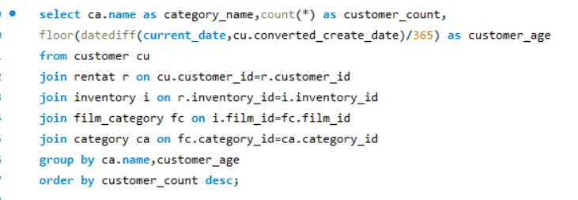

 |  | Output

Based on the scatter plot titled "Categories," the chart compares customer count and customer age across various film categories such as Sports, Animation, Action, Sci-Fi, Family, and more.
The chart shows that customer count is consistently high across all categories, with values around 1200. However, the average age of customers is significantly lower and consistently around 200 across all categories.
This suggests that while the number of customers interested in various film categories is high and stable, the age of these customers is relatively younger across all categories. Therefore, specific film categories do not seem to attract different age groups of customers. Instead, the customer age remains uniformly lower across all categories.
 | category_name | customer_count | customer_age | Conclusion
 | Sports | 1179 | 19
 | Animation | 1166 | 19
 | Action | 1112 | 19
 | Sci-Fi | 1101 | 19
 | Family | 1096 | 19
 | Drama | 1060 | 19
...

A11
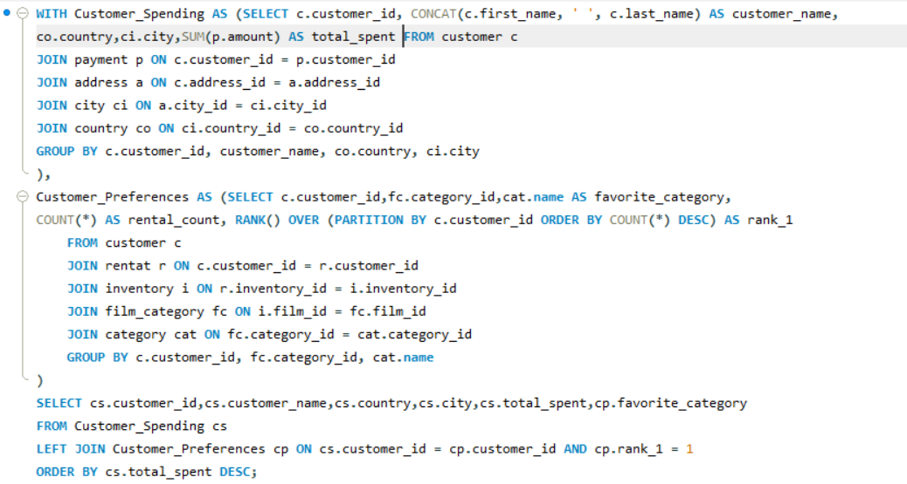
What are the demographics and preferences of the highest-spending customers?

Based on the "Customers spending" bar chart and the list of favorite categories, it is evident that the highest-spending customers come from India, the United States, and Mexico, with India having the highest spending. The cumulative percentage line indicates that these countries collectively account for a significant portion of the total spending.
The favorite categories among these high-spending customers include Action, Animation, Children, Classics, Comedy, Documentary, Drama, and Family. This data suggests that these demographics have diverse preferences, with a particular interest in a wide range of film genres. Understanding these preferences and the spending patterns can help in tailoring marketing strategies to better cater to the interests of the highest-spending customers.
 | OUTPUT |  |  |  |  | Conclusion
customer_id | customer_name | country | city | total_spent | favorite_category
526 | KARL SEAL | United States | Cape Coral | 221.55 | Animation
148 | ELEANOR HUNT | Réunion | Saint-Denis | 216.54 | Sci-Fi
144 | CLARA SHAW | Belarus | Molodetšno | 195.58 | Drama
137 | RHONDA KENNEDY | Netherlands | Apeldoorn | 194.61 | Games
178 | MARION SNYDER | Brazil | Santa Brbara dOeste | 194.61 | Animation
178 | MARION SNYDER | Brazil | Santa Brbara dOeste | 194.61 | Foreign
178 | MARION SNYDER | Brazil | Santa Brbara dOeste | 194.61 | Travel
178 | MARION SNYDER | Brazil | Santa Brbara dOeste | 194.61 | Drama
 |  |  |  | 194.61 | Documentary
 |  |  |  | 186.62 | Comedy
 |  |  |  | 186.62 | Family
 |  |  |  | 177.6 | Games
 |  |  |  | 175.61 | Animation
 |  |  |  | 175.58 | Foreign
 |  |  |  | 175.58 | Games
 |  |  |  | 174.66 | Family
 |  |  |  | 173.63 | Animation
 |  |  |  | 173.63 | Comedy
 |  |  |  | 169.65 | Foreign
 |  |  |  | 169.65 | Drama
 |  |  |  | 168.68 | Sports
 |  |  |  | 167.67 | Games
 |  |  |  | 167.62 | Family
 |  |  |  | 167.62 | Action
 |  |  |  | 166.65 | Sci-Fi
 |  |  |  | 166.65 | Foreign
 |  |  |  | 162.62 | Sports
 |  |  |  | 162.62 | Family
 |  |  |  | 162.62 | Foreign
 |  |  |  | 162.62 | New
 |  |  |  | 161.68 | Action
 |  |  |  | 161.65 | Animation
 |  |  |  | 160.68 | Action
...

A12
How does the availability of inventory impact customer satisfaction and repeat business? |  |  |  |  |  |  | Visualization
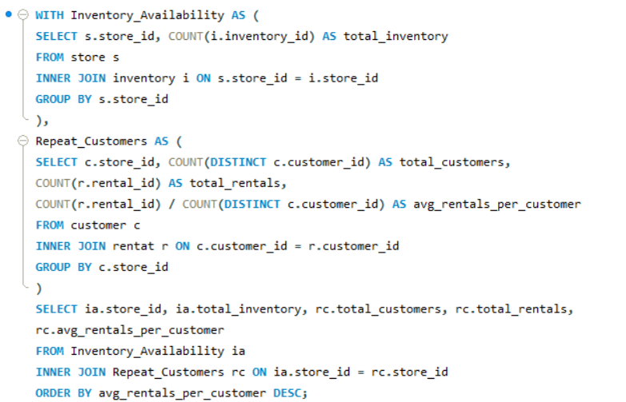

 |  | OUTPUT

Based on the provided bar chart, it's evident that higher inventory availability correlates with increased customer satisfaction and repeat business. Series1, which has higher total_inventory, shows significantly higher total_rentals compared to Series2.
This suggests that having more inventory available leads to more rentals, indicating higher customer satisfaction and repeat business. However, the relatively low number of total_customers and avg_rentals_per_customer for both series suggests that while inventory availability impacts overall rentals, it may not directly influence the number of customers or their individual rental frequency.
 | store_id | total_inventory | total_customers | total_rentals | avg_rentals_per_customer | Conclusion
 | 1 | 2270 | 326 | 8747 | 26.8313
 | 2 | 2311 | 273 | 7297 | 26.7289

A13
What are the busiest hours or days for each store location, and how does it impact staffing requirements?
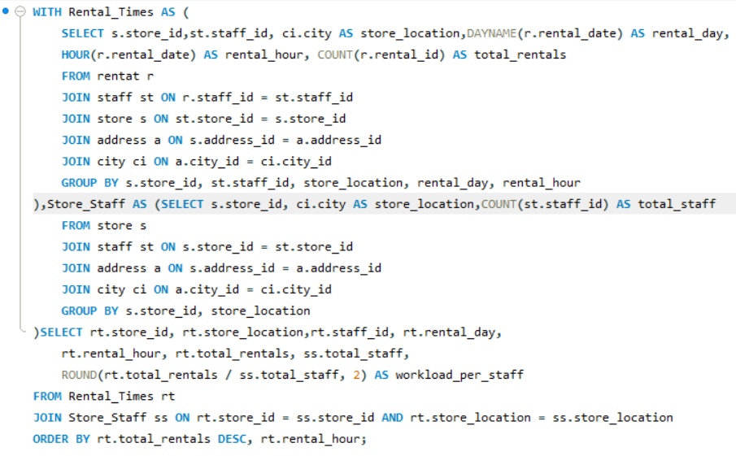

 |  | OUTPUT |  |  |  |  |  |  | Conclusion

Based on the bar chart, it's evident that both Woodridge and Lethbridge experience high rental activity, with Woodridge slightly edging out Lethbridge in total rentals. This suggests a robust demand for rentals at both locations, requiring substantial staffing to manage the influx.
While the chart doesn't break down rentals by specific hours or days, we can infer that consistently high rentals necessitate a strategic approach to staffing. Ensuring adequate staff coverage during peak times, which additional data could help identify, would be crucial.
In conclusion, maintaining flexible and responsive staffing levels at both Woodridge and Lethbridge is essential to effectively handle the high volume of rentals and provide excellent customer service. Further analysis of hourly and daily rental trends would optimize staffing schedules and improve operational efficiency.
 | store_id | store_location | staff_id | rental_day | rental_hour | total_rentals | total_staff | workload_per_staff
 | 2 | Woodridge | 2 | Tuesday | 15 | 152 | 1 | 152
 | 1 | Lethbridge | 1 | Tuesday | 15 | 132 | 1 | 132
 | 1 | Lethbridge | 1 | Thursday | 7 | 72 | 1 | 72
 | 2 | Woodridge | 2 | Saturday | 15 | 71 | 1 | 71
 | 1 | Lethbridge | 1 | Thursday | 10 | 69 | 1 | 69
 | 1 | Lethbridge | 1 | Monday | 4 | 63 | 1 | 63
 |  |  |  |  |  |  |  | 63
 |  |  |  |  |  |  |  | 61
 |  |  |  |  |  |  |  | 61
 |  |  |  |  |  |  |  | 60
 |  |  |  |  |  |  |  | 60
 |  |  |  |  |  |  |  | 60
 |  |  |  |  |  |  |  | 60
 |  |  |  |  |  |  |  | 60
 |  |  |  |  |  |  |  | 60
 |  |  |  |  |  |  |  | 59
 |  |  |  |  |  |  |  | 59
 |  |  |  |  |  |  |  | 59
 |  |  |  |  |  |  |  | 59
 |  |  |  |  |  |  |  | 59
 |  |  |  |  |  |  |  | 59
 |  |  |  |  |  |  |  | 59
 |  |  |  |  |  |  |  | 59
 |  |  |  |  |  |  |  | 57
 |  |  |  |  |  |  |  | 57
 |  |  |  |  |  |  |  | 57
 |  |  |  |  |  |  |  | 57
 |  |  |  |  |  |  |  | 57
 |  |  |  |  |  |  |  | 57
 |  |  |  |  |  |  |  | 57
 |  |  |  |  |  |  |  | 57
 |  |  |  |  |  |  |  | 57
 |  |  |  |  |  |  |  | 56
 |  |  |  |  |  |  |  | 56
...

A14
What are the cultural or demographic factors that influence customer preferences in different locations? |  |  |  |  |  | Visualization
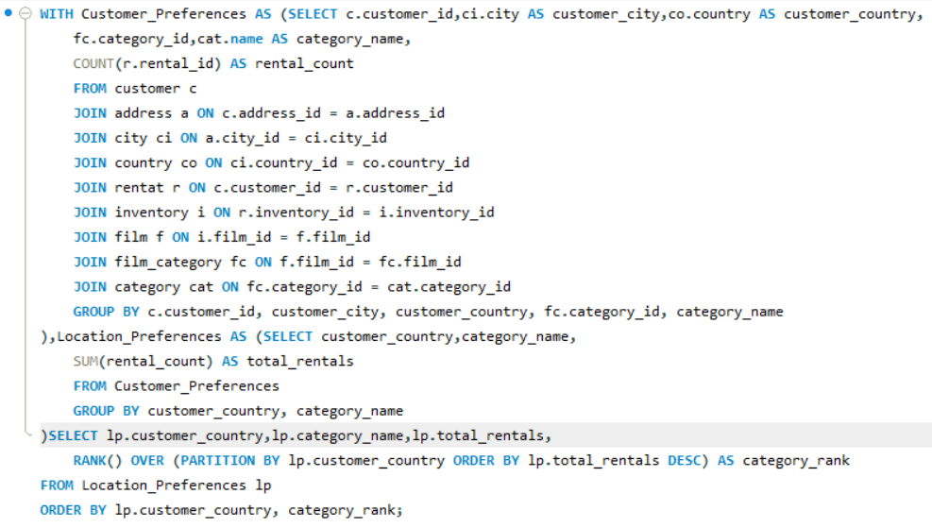

 | total_rentals | category_rank
Afghanistan | 3 | 1
Afghanistan | 2 | 2
Afghanistan | 2 | 2
Afghanistan | 2 | 2
Afghanistan | 2 | 2
Afghanistan | 1 | 6
Afghanistan | 1 | 6
Afghanistan | 1 | 6
Afghanistan | 1 | 6
Afghanistan | 1 | 6
Afghanistan | 1 | 6
India | 118 | 1
Algeria | 12 | 1
Algeria | 10 | 2
Algeria | 8 | 3
Algeria | 7 | 4
Algeria | 7 | 4
Algeria | 6 | 6
Algeria | 6 | 6
Algeria | 6 | 6
China | 87 | 10
Algeria | 4 | 10
Algeria | 4 | 10
Algeria | 4 | 10
Algeria | 3 | 13
Algeria | 3 | 13
Algeria | 3 | 13
Algeria | 2 | 16
American Samoa | 5 | 1
American Samoa | 3 | 2
American Samoa | 2 | 3
American Samoa | 1 | 4
American Samoa | 1 | 4
United States | 62 | 7
American Samoa | 1 | 4
American Samoa | 1 | 4
American Samoa | 1 | 4
American Samoa | 1 | 4
American Samoa | 1 | 4
American Samoa | 1 | 4
American Samoa | 1 | 4
Angola | 7 | 1
Angola | 7 | 1
Angola | 5 | 3
Angola | 5 | 3
Angola | 4 | 5
Angola | 4 | 5
Angola | 4 | 5
Angola | 3 | 8
Angola | 3 | 8
...

 |  | OUTPUT |  |  | Conclusion
The bar chart reveals significant differences in total rentals across various countries, indicating that cultural and demographic factors greatly influence customer preferences in different locations. For instance, countries with higher rental numbers may have cultural trends or demographics that favor renting over owning. Moreover, the variations in category_rank could reflect differing priorities or popularity of specific rental categories in each country. These insights suggest that businesses should tailor their strategies to align with the unique cultural and demographic characteristics of each location to effectively meet customer preferences.
 | customer_country | category_name | total_rentals | category_rank
 | Afghanistan | Comedy | 3 | 1
 | Afghanistan | Drama | 2 | 2
 | Afghanistan | Classics | 2 | 2
 | Afghanistan | Documentary | 2 | 2
 | Afghanistan | New | 2 | 2
 | Afghanistan | Children | 1 | 6
...

A15
How does the availability of films in different languages impact customer satisfaction and rental frequency? |  |  |  |  |  |  | Visualization
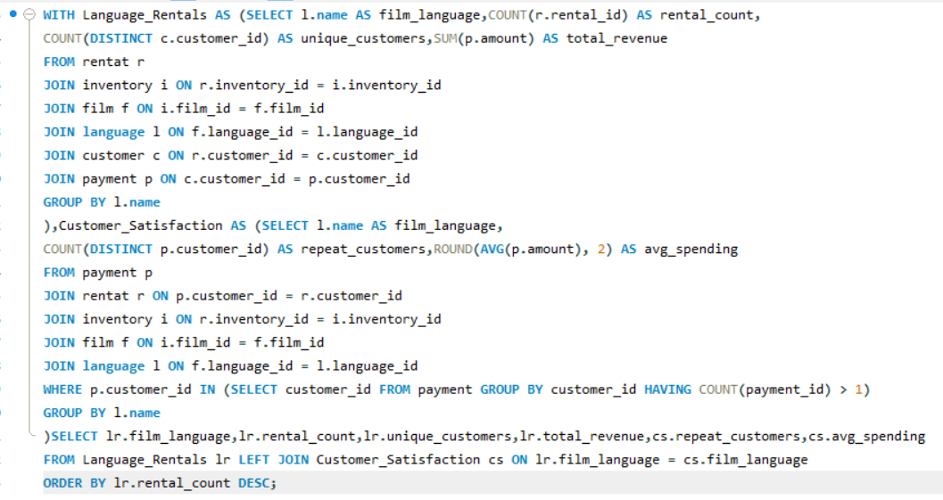

 |  |  |  |  |  | Conclusion
Based on the line graph, the availability of English-language films has a significant impact on total revenue, as evidenced by the peak close to 2,000,000. However, customer satisfaction and rental frequency appear to be low, with unique customers, repeat customers, and average spending showing minimal values. This suggests that while English-language films drive substantial revenue, they may not lead to high levels of customer satisfaction or frequent rentals. Ensuring a diverse language offering could potentially improve customer satisfaction and encourage repeat rentals.

film_language | rental_count | unique_customers | total_revenue | repeat_customers | avg_spending
English | 445350 | 599 | 1872952.49 | 599 | 4.21

